Sheet1
sorted_number | ballot | batch_label | which_ballot_in_batch | Location | Round | County | Custer
1 | 1 | 1 | 1 | Box 1 | 1 | # of ballots to audit | 283
2 | 2 | 1 | 2 | Box 1 | 1 | Contest | Recall County Commissioner District 3
3 | 17 | 1 | 17 | Box 1 | 1 | # of candidates | 2
4 | 30 | 2 | 5 | Box 1 | 1 | Candidate 1 | Yes
5 | 44 | 2 | 19 | Box 1 | 1 | Candidate 2 | No
6 | 48 | 2 | 23 | Box 1 | 1
7 | 52 | 3 | 2 | Box 1 | 1
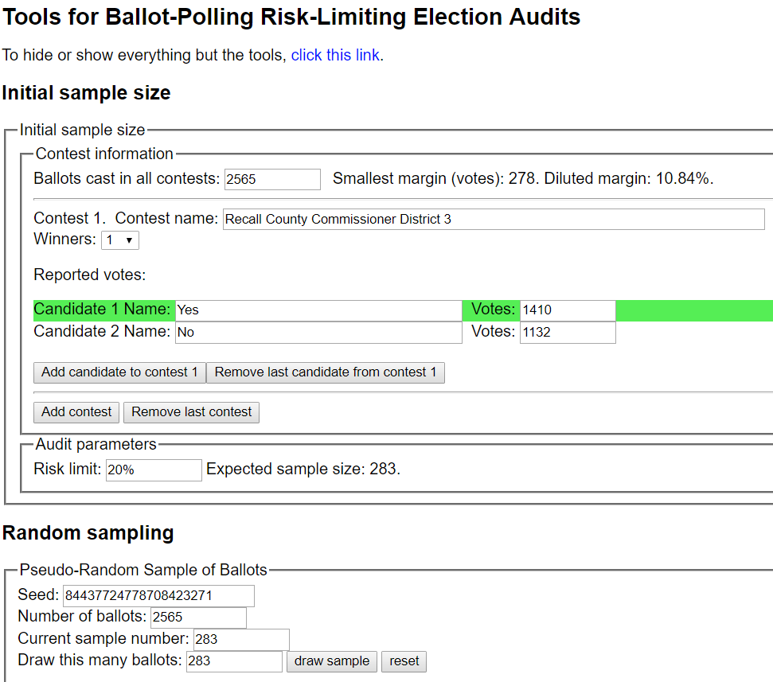
8 | 56 | 3 | 6 | Box 1 | 1
9 | 60 | 3 | 10 | Box 1 | 1
10 | 60 | 3 | 10 | Box 1 | 1
11 | 62 | 3 | 12 | Box 1 | 1
12 | 113 | 5 | 13 | Box 1 | 1
13 | 121 | 5 | 21 | Box 1 | 1
14 | 132 | 6 | 7 | Box 1 | 1
15 | 135 | 6 | 10 | Box 1 | 1
16 | 144 | 6 | 19 | Box 1 | 1
17 | 149 | 6 | 24 | Box 1 | 1
18 | 205 | 9 | 5 | Box 1 | 1
19 | 218 | 9 | 18 | Box 1 | 1
20 | 231 | 10 | 6 | Box 1 | 1
21 | 231 | 10 | 6 | Box 1 | 1
22 | 236 | 10 | 11 | Box 1 | 1
23 | 249 | 10 | 24 | Box 1 | 1
24 | 249 | 10 | 24 | Box 1 | 1
25 | 280 | 12 | 5 | Box 1 | 1
26 | 285 | 12 | 10 | Box 1 | 1
27 | 291 | 12 | 16 | Box 1 | 1
28 | 292 | 12 | 17 | Box 1 | 1
29 | 294 | 12 | 19 | Box 1 | 1
30 | 335 | 14 | 10 | Box 1 | 1
31 | 337 | 14 | 12 | Box 1 | 1
32 | 344 | 14 | 19 | Box 1 | 1
33 | 362 | 15 | 12 | Box 1 | 1
34 | 369 | 15 | 19 | Box 1 | 1
35 | 379 | 16 | 4 | Box 1 | 1
36 | 380 | 16 | 5 | Box 1 | 1
37 | 434 | 18 | 9 | Box 1 | 1
38 | 443 | 18 | 18 | Box 1 | 1
39 | 444 | 18 | 19 | Box 1 | 1
40 | 447 | 18 | 22 | Box 1 | 1
41 | 448 | 18 | 23 | Box 1 | 1
42 | 451 | 19 | 1 | Box 1 | 1
43 | 455 | 19 | 5 | Box 1 | 1
44 | 456 | 19 | 6 | Box 1 | 1
45 | 471 | 19 | 21 | Box 1 | 1
46 | 476 | 20 | 1 | Box 1 | 1
47 | 498 | 20 | 23 | Box 1 | 1
48 | 504 | 21 | 4 | Box 1 | 1
49 | 512 | 21 | 12 | Box 1 | 1
50 | 516 | 21 | 16 | Box 1 | 1
51 | 519 | 21 | 19 | Box 1 | 1
52 | 527 | 22 | 2 | Box 1 | 1
53 | 527 | 22 | 2 | Box 1 | 1
54 | 542 | 200 | 11 | Box 2 | 1
55 | 552 | 200 | 21 | Box 2 | 1
56 | 558 | 201 | 2 | Box 2 | 1
57 | 559 | 201 | 3 | Box 2 | 1
58 | 559 | 201 | 3 | Box 2 | 1
59 | 590 | 202 | 9 | Box 2 | 1
60 | 599 | 202 | 18 | Box 2 | 1
61 | 602 | 202 | 21 | Box 2 | 1
62 | 618 | 203 | 12 | Box 2 | 1
63 | 622 | 203 | 16 | Box 2 | 1
64 | 644 | 204 | 13 | Box 2 | 1
65 | 684 | 206 | 3 | Box 2 | 1
66 | 685 | 206 | 4 | Box 2 | 1
67 | 689 | 206 | 8 | Box 2 | 1
68 | 689 | 206 | 8 | Box 2 | 1
69 | 689 | 206 | 8 | Box 2 | 1
70 | 702 | 206 | 21 | Box 2 | 1
71 | 703 | 206 | 22 | Box 2 | 1
72 | 718 | 207 | 12 | Box 2 | 1
73 | 735 | 208 | 4 | Box 2 | 1
74 | 768 | 209 | 12 | Box 2 | 1
75 | 781 | 209 | 25 | Box 2 | 1
76 | 781 | 209 | 25 | Box 2 | 1
77 | 790 | 210 | 9 | Box 2 | 1
78 | 802 | 210 | 21 | Box 2 | 1
79 | 804 | 210 | 23 | Box 2 | 1
80 | 811 | 211 | 5 | Box 2 | 1
81 | 816 | 211 | 10 | Box 2 | 1
82 | 828 | 211 | 22 | Box 2 | 1
83 | 829 | 211 | 23 | Box 2 | 1
84 | 844 | 212 | 13 | Box 2 | 1
85 | 846 | 212 | 15 | Box 2 | 1
86 | 852 | 212 | 21 | Box 2 | 1
87 | 859 | 213 | 3 | Box 2 | 1
88 | 864 | 213 | 8 | Box 2 | 1
89 | 876 | 213 | 20 | Box 2 | 1
90 | 877 | 213 | 21 | Box 2 | 1
91 | 882 | 214 | 1 | Box 2 | 1
92 | 883 | 214 | 2 | Box 2 | 1
93 | 893 | 214 | 12 | Box 2 | 1
94 | 897 | 214 | 16 | Box 2 | 1
95 | 923 | 215 | 17 | Box 2 | 1
96 | 940 | 216 | 9 | Box 2 | 1
97 | 950 | 216 | 19 | Box 2 | 1
98 | 953 | 216 | 22 | Box 2 | 1
99 | 955 | 216 | 24 | Box 2 | 1
100 | 959 | 217 | 3 | Box 2 | 1
101 | 963 | 217 | 7 | Box 2 | 1
102 | 987 | 218 | 6 | Box 2 | 1
103 | 993 | 218 | 12 | Box 2 | 1
104 | 994 | 218 | 13 | Box 2 | 1
105 | 1009 | 219 | 3 | Box 2 | 1
106 | 1010 | 219 | 4 | Box 2 | 1
107 | 1011 | 219 | 5 | Box 2 | 1
108 | 1016 | 219 | 10 | Box 2 | 1
109 | 1023 | 219 | 17 | Box 2 | 1
110 | 1024 | 219 | 18 | Box 2 | 1
111 | 1030 | 219 | 24 | Box 2 | 1
112 | 1034 | 220 | 3 | Box 2 | 1
113 | 1042 | 220 | 11 | Box 2 | 1
114 | 1043 | 220 | 12 | Box 2 | 1
115 | 1050 | 220 | 19 | Box 2 | 1
116 | 1065 | 221 | 9 | Box 2 | 1
117 | 1077 | 221 | 21 | Box 2 | 1
118 | 1091 | 222 | 10 | Box 2 | 1
119 | 1126 | 223 | 20 | Box 2 | 1
120 | 1130 | 223 | 24 | Box 2 | 1
121 | 1138 | 224 | 7 | Box 2 | 1
122 | 1158 | 225 | 2 | Box 2 | 1
123 | 1163 | 225 | 7 | Box 2 | 1
124 | 1171 | 225 | 15 | Box 2 | 1
125 | 1178 | 225 | 22 | Box 2 | 1
126 | 1179 | 225 | 23 | Box 2 | 1
127 | 1190 | 226 | 9 | Box 2 | 1
128 | 1200 | 226 | 19 | Box 2 | 1
129 | 1216 | 227 | 10 | Box 2 | 1
130 | 1233 | 228 | 2 | Box 2 | 1
131 | 1245 | 228 | 14 | Box 2 | 1
132 | 1278 | 229 | 22 | Box 2 | 1
133 | 1285 | 230 | 4 | Box 2 | 1
134 | 1286 | 230 | 5 | Box 2 | 1
135 | 1287 | 230 | 6 | Box 2 | 1
136 | 1305 | 230 | 24 | Box 2 | 1
137 | 1310 | 300 | 4 | Box 3 | 1
138 | 1312 | 300 | 6 | Box 3 | 1
139 | 1313 | 300 | 7 | Box 3 | 1
140 | 1319 | 300 | 13 | Box 3 | 1
141 | 1338 | 301 | 7 | Box 3 | 1
142 | 1345 | 301 | 14 | Box 3 | 1
143 | 1349 | 301 | 18 | Box 3 | 1
144 | 1380 | 302 | 24 | Box 3 | 1
145 | 1380 | 302 | 24 | Box 3 | 1
146 | 1393 | 303 | 12 | Box 3 | 1
147 | 1400 | 303 | 19 | Box 3 | 1
148 | 1401 | 303 | 20 | Box 3 | 1
149 | 1405 | 303 | 24 | Box 3 | 1
150 | 1419 | 304 | 13 | Box 3 | 1
151 | 1428 | 304 | 22 | Box 3 | 1
152 | 1429 | 304 | 23 | Box 3 | 1
153 | 1440 | 305 | 9 | Box 3 | 1
154 | 1447 | 305 | 16 | Box 3 | 1
155 | 1452 | 305 | 21 | Box 3 | 1
156 | 1454 | 305 | 23 | Box 3 | 1
157 | 1458 | 306 | 2 | Box 3 | 1
158 | 1466 | 306 | 10 | Box 3 | 1
159 | 1474 | 306 | 18 | Box 3 | 1
160 | 1474 | 306 | 18 | Box 3 | 1
161 | 1477 | 306 | 21 | Box 3 | 1
162 | 1479 | 306 | 23 | Box 3 | 1
163 | 1505 | 307 | 24 | Box 3 | 1
164 | 1507 | 308 | 1 | Box 3 | 1
165 | 1508 | 308 | 2 | Box 3 | 1
166 | 1509 | 308 | 3 | Box 3 | 1
167 | 1513 | 308 | 7 | Box 3 | 1
168 | 1520 | 308 | 14 | Box 3 | 1
169 | 1547 | 309 | 16 | Box 3 | 1
170 | 1550 | 309 | 19 | Box 3 | 1
171 | 1581 | 310 | 25 | Box 3 | 1
172 | 1587 | 311 | 6 | Box 3 | 1
173 | 1587 | 311 | 6 | Box 3 | 1
174 | 1601 | 311 | 20 | Box 3 | 1
175 | 1610 | 312 | 4 | Box 3 | 1
176 | 1615 | 312 | 9 | Box 3 | 1
177 | 1620 | 312 | 14 | Box 3 | 1
178 | 1626 | 312 | 20 | Box 3 | 1
179 | 1629 | 312 | 23 | Box 3 | 1
180 | 1639 | 313 | 8 | Box 3 | 1
181 | 1642 | 313 | 11 | Box 3 | 1
182 | 1644 | 313 | 13 | Box 3 | 1
183 | 1647 | 313 | 16 | Box 3 | 1
184 | 1655 | 313 | 24 | Box 3 | 1
185 | 1657 | 314 | 1 | Box 3 | 1
186 | 1665 | 314 | 9 | Box 3 | 1
187 | 1667 | 314 | 11 | Box 3 | 1
188 | 1675 | 314 | 19 | Box 3 | 1
189 | 1676 | 314 | 20 | Box 3 | 1
190 | 1677 | 314 | 21 | Box 3 | 1
191 | 1682 | 315 | 1 | Box 3 | 1
192 | 1695 | 315 | 14 | Box 3 | 1
193 | 1705 | 315 | 24 | Box 3 | 1
194 | 1707 | 316 | 1 | Box 3 | 1
195 | 1713 | 316 | 7 | Box 3 | 1
196 | 1737 | 317 | 6 | Box 3 | 1
197 | 1771 | 318 | 15 | Box 3 | 1
198 | 1775 | 318 | 19 | Box 3 | 1
199 | 1785 | 319 | 4 | Box 3 | 1
200 | 1813 | 320 | 7 | Box 3 | 1
201 | 1818 | 320 | 12 | Box 3 | 1
202 | 1830 | 320 | 24 | Box 3 | 1
203 | 1838 | 321 | 7 | Box 3 | 1
204 | 1839 | 321 | 8 | Box 3 | 1
205 | 1853 | 321 | 22 | Box 3 | 1
206 | 1863 | 322 | 7 | Box 3 | 1
207 | 1868 | 322 | 12 | Box 3 | 1
208 | 1886 | 323 | 5 | Box 3 | 1
209 | 1893 | 323 | 12 | Box 3 | 1
210 | 1894 | 323 | 13 | Box 3 | 1
211 | 1917 | 324 | 11 | Box 3 | 1
212 | 1919 | 324 | 13 | Box 3 | 1
213 | 1922 | 324 | 16 | Box 3 | 1
214 | 1924 | 324 | 18 | Box 3 | 1
215 | 1935 | 325 | 4 | Box 3 | 1
216 | 1949 | 325 | 18 | Box 3 | 1
...

