Sheet1
sorted_number | ballot | batch_label | which_ballot_in_batch | Location | Round | County | Douglas
1 | 1716 | 7019 | 17 | 6 | 1 | # of ballots to audit | 147
2 | 2918 | 7031 | 97 | 6 | 1 | Contest | Douglas County School District RE-1 School Board Director, District G
3 | 3297 | 7035 | 76 | 10 | 1 | # of candidates | 2
4 | 3496 | 7037 | 75 | 8 | 1 | Candidate 1 | Debora Scheffel
5 | 3512 | 7037 | 91 | 8 | 1 | Candidate 2 | Krista Holtzmann
6 | 4972 | 7052 | 51 | 10 | 1
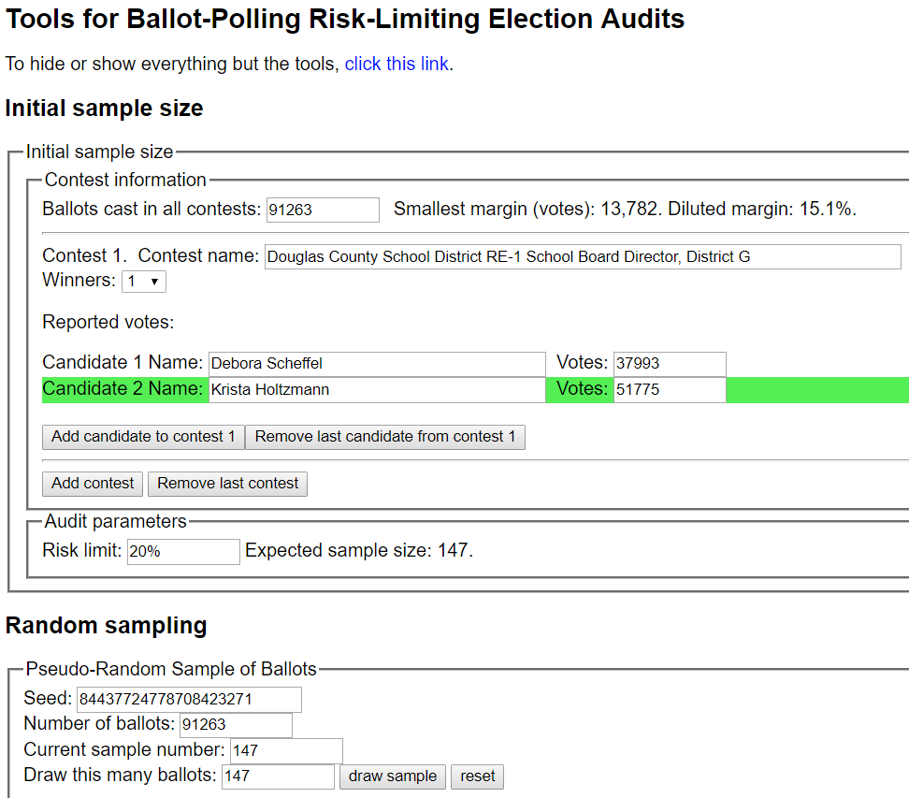
7 | 6648 | 7069 | 29 | 6 | 1
8 | 6720 | 7070 | 1 | 6 | 1
9 | 7431 | 7077 | 12 | 16 | 1
10 | 8205 | 7084 | 86 | 25 | 1
11 | 9052 | 7093 | 34 | 10 | 1
12 | 10134 | 7104 | 17 | 16 | 1
13 | 10401 | 7106 | 84 | 16 | 1
14 | 10666 | 7109 | 49 | 25 | 1
15 | 10932 | 7112 | 16 | 29 | 1
16 | 12277 | 7125 | 63 | 21 | 1
17 | 12374 | 7126 | 60 | 21 | 1
18 | 13160 | 7135 | 91 | 21 | 1
19 | 13730 | 7141 | 61 | 21 | 1
20 | 14037 | 7144 | 68 | 21 | 1
21 | 14349 | 7147 | 80 | 10 | 1
22 | 15097 | 7155 | 28 | 25 | 1
23 | 15114 | 7155 | 45 | 25 | 1
24 | 15993 | 7164 | 24 | 29 | 1
25 | 16221 | 7166 | 52 | 25 | 1
26 | 17841 | 7182 | 72 | 29 | 1
27 | 18731 | 7213 | 14 | 12 | 1
28 | 18972 | 7215 | 56 | 23 | 1
29 | 19320 | 7219 | 5 | 17 | 1
30 | 19729 | 7223 | 14 | 29 | 1
31 | 20072 | 7226 | 58 | 12 | 1
32 | 21937 | 7245 | 25 | 17 | 1
33 | 22021 | 7246 | 9 | 28 | 1
34 | 22027 | 7246 | 15 | 28 | 1
35 | 22510 | 7251 | 83 | 23 | 1
36 | 26152 | 7288 | 27 | 28 | 1
37 | 26395 | 7290 | 70 | 28 | 1
38 | 26645 | 7293 | 20 | 32 | 1
39 | 27254 | 7299 | 30 | 28 | 1
40 | 28264 | 7309 | 40 | 17 | 1
41 | 29338 | 7321 | 55 | 32 | 1
42 | 29339 | 7321 | 56 | 32 | 1
43 | 29553 | 7323 | 70 | 37 | 1
44 | 29953 | 7327 | 70 | 39 | 1
45 | 30577 | 7333 | 94 | 32 | 1
46 | 31270 | 7340 | 87 | 37 | 1
47 | 31590 | 7344 | 7 | 43 | 1
48 | 32231 | 7351 | 2 | 37 | 1
49 | 33411 | 7362 | 83 | 25 | 1
50 | 33413 | 7362 | 85 | 25 | 1
51 | 34871 | 7377 | 86 | 25 | 1
52 | 35678 | 7385 | 94 | 16 | 1
53 | 36018 | 7389 | 34 | 41 | 1
54 | 36513 | 7402 | 29 | 43 | 1
55 | 36602 | 7403 | 18 | 16 | 1
56 | 36767 | 7404 | 84 | 25 | 1
57 | 36965 | 7406 | 86 | 28 | 1
58 | 38777 | 7424 | 99 | 39 | 1
59 | 39024 | 7427 | 46 | 39 | 1
60 | 39126 | 7428 | 48 | 39 | 1
61 | 39287 | 7430 | 9 | 39 | 1
62 | 39971 | 7436 | 93 | 41 | 1
63 | 41776 | 7458 | 72 | 39 | 1
64 | 41808 | 7459 | 4 | 41 | 1
65 | 41869 | 7459 | 65 | 41 | 1
66 | 42753 | 7468 | 49 | 39 | 1
67 | 42924 | 7470 | 20 | 39 | 1
68 | 43230 | 7473 | 26 | 37 | 1
69 | 43281 | 7473 | 77 | 37 | 1
70 | 43538 | 7476 | 51 | 43 | 1
71 | 44072 | 7481 | 85 | 41 | 1
72 | 44439 | 7485 | 52 | 48 | 1
73 | 45239 | 7493 | 92 | 46 | 1
74 | 45529 | 7496 | 82 | 46 | 1
75 | 47624 | 7519 | 14 | 46 | 1
76 | 47693 | 7519 | 83 | 46 | 1
77 | 48719 | 7530 | 9 | 84 | 1
78 | 50287 | 7547 | 13 | 48 | 1
79 | 50452 | 7548 | 78 | 43 | 1
80 | 50567 | 7549 | 93 | 43 | 1
81 | 50728 | 7551 | 54 | 43 | 1
82 | 50864 | 7552 | 90 | 48 | 1
83 | 51850 | 7562 | 76 | 48 | 1
84 | 53232 | 7577 | 45 | 48 | 1
85 | 53752 | 7582 | 65 | 51 | 1
86 | 53883 | 7583 | 96 | 48 | 1
87 | 54031 | 7586 | 16 | 56 | 1
88 | 54515 | 7591 | 32 | 51 | 1
89 | 54940 | 7595 | 58 | 56 | 1
90 | 56526 | 7611 | 44 | 51 | 1
91 | 56732 | 7613 | 50 | 51 | 1
92 | 58996 | 7641 | 58 | 84 | 1
93 | 59046 | 7642 | 8 | 84 | 1
94 | 59062 | 7642 | 24 | 84 | 1
95 | 59260 | 7648 | 6 | 84 | 1
96 | 60439 | 7661 | 29 | 51 | 1
97 | 60807 | 7664 | 98 | 54 | 1
98 | 61043 | 7667 | 34 | 65 | 1
99 | 61212 | 7669 | 4 | 54 | 1
100 | 61395 | 7670 | 87 | 54 | 1
101 | 62087 | 7679 | 2 | 60 | 1
102 | 62464 | 7682 | 79 | 65 | 1
103 | 62586 | 7684 | 1 | 56 | 1
104 | 62641 | 7684 | 56 | 56 | 1
105 | 62677 | 7684 | 92 | 56 | 1
106 | 62950 | 7687 | 65 | 56 | 1
107 | 64554 | 7703 | 97 | 69 | 1
108 | 66061 | 7720 | 37 | 61 | 1
109 | 66367 | 7723 | 43 | 61 | 1
110 | 67175 | 7731 | 51 | 61 | 1
111 | 67188 | 7731 | 64 | 61 | 1
112 | 67612 | 7735 | 91 | 65 | 1
113 | 67856 | 7738 | 35 | 65 | 1
114 | 67940 | 7740 | 18 | 65 | 1
115 | 68011 | 7740 | 89 | 65 | 1
116 | 69836 | 7759 | 15 | 65 | 1
117 | 70043 | 7761 | 22 | 61 | 1
118 | 70328 | 7764 | 7 | 61 | 1
119 | 71155 | 7773 | 14 | 72 | 1
120 | 71189 | 7773 | 48 | 72 | 1
121 | 71363 | 7775 | 22 | 72 | 1
122 | 71533 | 7776 | 92 | 64 | 1
123 | 72302 | 7785 | 11 | 61 | 1
124 | 73357 | 7795 | 66 | 69 | 1
125 | 73430 | 7796 | 39 | 61 | 1
126 | 74162 | 7803 | 71 | 69 | 1
127 | 75837 | 7821 | 54 | 65 | 1
128 | 77106 | 7834 | 86 | 72 | 1
129 | 77802 | 7841 | 82 | 69 | 1
130 | 79278 | 7857 | 32 | 73 | 1
131 | 80146 | 7866 | 1 | 73 | 1
132 | 80306 | 7869 | 26 | 79 | 1
133 | 80341 | 7869 | 61 | 79 | 1
134 | 80568 | 7871 | 88 | 72 | 1
135 | 82756 | 7893 | 96 | 72 | 1
136 | 83680 | 7903 | 20 | 80 | 1
137 | 85701 | 7924 | 46 | 79 | 1
138 | 86015 | 7928 | 7 | 80 | 1
139 | 86388 | 7931 | 80 | 80 | 1
140 | 87227 | 7940 | 19 | 79 | 1
141 | 87263 | 7940 | 55 | 79 | 1
142 | 87283 | 7940 | 75 | 79 | 1
143 | 87501 | 7942 | 93 | 80 | 1
144 | 87830 | 7946 | 23 | 79 | 1
145 | 88203 | 7949 | 96 | 79 | 1
146 | 88914 | 7957 | 50 | 84 | 1
147 | 89392 | 7962 | 28 | 78 | 1
148 | 7368 | 7076 | 49 | 10 | 2
149 | 7983 | 7082 | 64 | 16 | 2
150 | 11502 | 7117 | 86 | 21 | 2
151 | 15519 | 7159 | 50 | 29 | 2
152 | 17737 | 7181 | 68 | 29 | 2
153 | 19929 | 7225 | 15 | 23 | 2
154 | 22056 | 7246 | 44 | 28 | 2
155 | 22256 | 7248 | 44 | 17 | 2
156 | 26415 | 7290 | 90 | 28 | 2
157 | 27978 | 7306 | 54 | 28 | 2
158 | 30421 | 7332 | 38 | 32 | 2
159 | 30901 | 7337 | 18 | 37 | 2
160 | 31333 | 7341 | 50 | 37 | 2
161 | 31938 | 7347 | 87 | 37 | 2
162 | 35886 | 7388 | 2 | 17 | 2
163 | 37556 | 7412 | 77 | 23 | 2
164 | 41839 | 7459 | 35 | 41 | 2
165 | 41842 | 7459 | 38 | 41 | 2
166 | 43492 | 7476 | 5 | 43 | 2
167 | 43799 | 7479 | 12 | 41 | 2
168 | 45139 | 7492 | 92 | 46 | 2
169 | 45859 | 7500 | 12 | 41 | 2
170 | 46464 | 7506 | 18 | 46 | 2
171 | 48236 | 7525 | 26 | 51 | 2
172 | 54960 | 7595 | 78 | 56 | 2
173 | 59929 | 7656 | 19 | 54 | 2
174 | 60396 | 7660 | 86 | 54 | 2
175 | 61124 | 7668 | 16 | 61 | 2
176 | 62297 | 7681 | 12 | 60 | 2
177 | 62373 | 7681 | 88 | 60 | 2
178 | 65655 | 7716 | 31 | 61 | 2
179 | 68414 | 7744 | 93 | 60 | 2
180 | 69807 | 7758 | 86 | 61 | 2
181 | 70647 | 7767 | 26 | 64 | 2
182 | 71128 | 7772 | 87 | 72 | 2
183 | 72172 | 7783 | 34 | 64 | 2
184 | 74822 | 7811 | 37 | 64 | 2
185 | 75344 | 7816 | 59 | 69 | 2
186 | 76334 | 7826 | 51 | 69 | 2
187 | 79782 | 7862 | 36 | 73 | 2
188 | 80417 | 7870 | 37 | 73 | 2
189 | 81086 | 7877 | 6 | 73 | 2
190 | 81816 | 7884 | 36 | 80 | 2
191 | 82959 | 7895 | 99 | 79 | 2
192 | 84132 | 7907 | 72 | 80 | 2
193 | 85934 | 7927 | 26 | 79 | 2
194 | 86566 | 7933 | 58 | 79 | 2
195 | 89819 | 7984 | 56 | 78 | 2
196 | 90114 | 7987 | 51 | 84 | 2
197 | 90365 | 7990 | 3 | 84 | 2

