Sheet1
sorted_number | ballot | batch_label | which_ballot_in_batch | Location | County | Garfield
1 | 51 | 3 | 24 | Box 1 | # of ballots to audit | 361
2 | 66 | 3 | 39 | Box 1 | Contest | Garfield County Ballot Issue 1A
3 | 115 | 4 | 41 | Box 1 | # of candidates | 2
4 | 164 | 5 | 42 | Box 1 | Candidate 1 | Yes/For
5 | 186 | 6 | 14 | Box 1 | Candidate 2 | No/Against
6 | 242 | 7 | 30 | Box 1
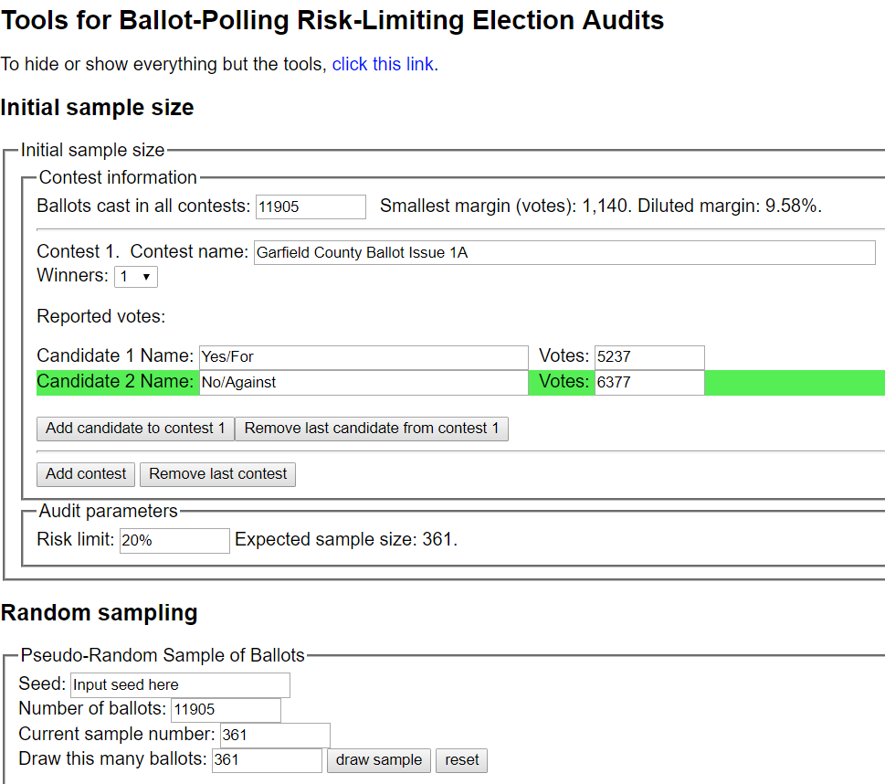
7 | 258 | 7 | 46 | Box 1
8 | 264 | 8 | 5 | Box 1
9 | 308 | 8 | 49 | Box 1
10 | 345 | 9 | 36 | Box 1
11 | 359 | 9 | 50 | Box 1
12 | 361 | 10 | 2 | Box 1
13 | 369 | 10 | 10 | Box 1
14 | 450 | 12 | 18 | Box 1
15 | 458 | 12 | 26 | Box 1
16 | 461 | 12 | 29 | Box 1
17 | 565 | 14 | 34 | Box 1
18 | 578 | 14 | 47 | Box 1
19 | 580 | 15 | 1 | Box 1
20 | 597 | 15 | 18 | Box 1
21 | 601 | 15 | 22 | Box 1
22 | 709 | 17 | 30 | Box 1
23 | 732 | 18 | 4 | Box 1
24 | 880 | 21 | 26 | Box 1
25 | 909 | 22 | 5 | Box 1
26 | 928 | 23 | 2 | Box 1
27 | 981 | 24 | 33 | Box 1
28 | 1001 | 25 | 3 | Box 1
29 | 1007 | 25 | 9 | Box 1
30 | 1107 | 27 | 44 | Box 1
31 | 1172 | 29 | 35 | Box 1
32 | 1173 | 29 | 36 | Box 1
33 | 1190 | 30 | 16 | Box 1
34 | 1196 | 30 | 22 | Box 1
35 | 1216 | 30 | 42 | Box 1
36 | 1283 | 32 | 9 | Box 1
37 | 1346 | 33 | 35 | Box 1
38 | 1394 | 34 | 19 | Box 2
39 | 1405 | 34 | 30 | Box 2
40 | 1433 | 35 | 9 | Box 2
41 | 1436 | 35 | 12 | Box 2
42 | 1482 | 36 | 10 | Box 2
43 | 1490 | 36 | 18 | Box 2
44 | 1492 | 36 | 20 | Box 2
45 | 1544 | 37 | 23 | Box 2
46 | 1547 | 37 | 26 | Box 2
47 | 1575 | 38 | 7 | Box 2
48 | 1606 | 38 | 38 | Box 2
49 | 1679 | 40 | 21 | Box 2
50 | 1685 | 40 | 27 | Box 2
51 | 1777 | 42 | 22 | Box 2
52 | 1799 | 42 | 44 | Box 2
53 | 1919 | 45 | 17 | Box 2
54 | 1941 | 45 | 39 | Box 2
55 | 1952 | 46 | 2 | Box 2
56 | 1982 | 46 | 32 | Box 2
57 | 2015 | 47 | 31 | Box 2
58 | 2157 | 50 | 44 | Box 2
59 | 2160 | 50 | 47 | Box 2
60 | 2194 | 51 | 32 | Box 2
61 | 2211 | 51 | 49 | Box 2
62 | 2255 | 52 | 44 | Box 2
63 | 2264 | 53 | 3 | Box 2
64 | 2272 | 53 | 11 | Box 2
65 | 2351 | 54 | 40 | Box 2
66 | 2351 | 54 | 40 | Box 2
67 | 2355 | 54 | 44 | Box 2
68 | 2370 | 55 | 9 | Box 2
69 | 2489 | 57 | 26 | Box 2
70 | 2518 | 59 | 4 | Box 2
71 | 2541 | 59 | 27 | Box 2
72 | 2565 | 60 | 14 | Box 2
73 | 2572 | 60 | 21 | Box 2
74 | 2616 | 61 | 15 | Box 2
75 | 2654 | 62 | 14 | Box 2
76 | 2667 | 62 | 27 | Box 2
77 | 2674 | 62 | 34 | Box 2
78 | 2695 | 63 | 3 | Box 2
79 | 2754 | 64 | 22 | Box 2
80 | 2771 | 64 | 39 | Box 2
81 | 2792 | 65 | 10 | Box 2
82 | 2826 | 66 | 28 | Box 3
83 | 2839 | 66 | 41 | Box 3
84 | 3030 | 70 | 34 | Box 3
85 | 3069 | 72 | 1 | Box 3
86 | 3100 | 73 | 3 | Box 3
87 | 3103 | 73 | 6 | Box 3
88 | 3114 | 73 | 17 | Box 3
89 | 3198 | 74 | 44 | Box 3
90 | 3205 | 75 | 3 | Box 3
91 | 3239 | 75 | 37 | Box 3
92 | 3284 | 77 | 12 | Box 3
93 | 3346 | 78 | 24 | Box 3
94 | 3474 | 81 | 25 | Box 3
95 | 3498 | 82 | 19 | Box 3
96 | 3532 | 83 | 14 | Box 3
97 | 3735 | 87 | 17 | Box 3
98 | 3737 | 87 | 19 | Box 3
99 | 3770 | 88 | 6 | Box 3
100 | 3790 | 88 | 26 | Box 3
101 | 3799 | 88 | 35 | Box 3
102 | 3880 | 90 | 36 | Box 3
103 | 3883 | 90 | 39 | Box 3
104 | 3897 | 91 | 3 | Box 3
105 | 3906 | 91 | 12 | Box 3
106 | 3952 | 92 | 31 | Box 3
107 | 3971 | 93 | 2 | Box 3
108 | 3977 | 93 | 8 | Box 3
109 | 4065 | 94 | 46 | Box 3
110 | 4088 | 95 | 21 | Box 3
111 | 4091 | 95 | 24 | Box 3
112 | 4153 | 96 | 36 | Box 4
113 | 4164 | 96 | 47 | Box 4
114 | 4172 | 97 | 5 | Box 4
115 | 4265 | 100 | 4 | Box 4
116 | 4367 | 101 | 56 | Box 4
117 | 4378 | 102 | 9 | Box 4
118 | 4403 | 102 | 34 | Box 4
119 | 4410 | 102 | 41 | Box 4
120 | 4417 | 103 | 1 | Box 4
121 | 4430 | 103 | 14 | Box 4
122 | 4478 | 104 | 42 | Box 4
123 | 4489 | 105 | 5 | Box 4
124 | 4503 | 105 | 19 | Box 4
125 | 4514 | 105 | 30 | Box 4
126 | 4562 | 107 | 10 | Box 4
127 | 4614 | 108 | 27 | Box 4
128 | 4654 | 110 | 17 | Box 4
129 | 4697 | 111 | 12 | Box 4
130 | 4745 | 112 | 13 | Box 4
131 | 4761 | 112 | 29 | Box 4
132 | 4765 | 113 | 1 | Box 4
133 | 4804 | 114 | 14 | Box 4
134 | 4837 | 114 | 47 | Box 4
135 | 4859 | 115 | 20 | Box 4
136 | 4885 | 116 | 18 | Box 4
137 | 4893 | 116 | 26 | Box 4
138 | 4931 | 118 | 13 | Box 4
139 | 4940 | 118 | 22 | Box 4
140 | 4958 | 118 | 40 | Box 4
141 | 4965 | 118 | 47 | Box 4
142 | 5016 | 119 | 50 | Box 4
143 | 5021 | 120 | 5 | Box 4
144 | 5031 | 120 | 15 | Box 4
145 | 5034 | 120 | 18 | Box 4
146 | 5073 | 121 | 27 | Box 4
147 | 5093 | 121 | 47 | Box 4
148 | 5094 | 121 | 48 | Box 4
149 | 5122 | 122 | 28 | Box 4
150 | 5166 | 123 | 22 | Box 4
151 | 5189 | 124 | 23 | Box 5
152 | 5189 | 124 | 23 | Box 5
153 | 5202 | 124 | 36 | Box 5
154 | 5227 | 125 | 15 | Box 5
155 | 5258 | 125 | 46 | Box 5
156 | 5376 | 129 | 27 | Box 5
157 | 5420 | 131 | 21 | Box 5
158 | 5456 | 132 | 7 | Box 5
159 | 5538 | 133 | 39 | Box 5
160 | 5555 | 134 | 13 | Box 5
161 | 5569 | 134 | 27 | Box 5
162 | 5592 | 135 | 1 | Box 5
163 | 5605 | 135 | 14 | Box 5
164 | 5636 | 135 | 45 | Box 5
165 | 5737 | 137 | 48 | Box 5
166 | 5783 | 138 | 42 | Box 5
167 | 5804 | 139 | 14 | Box 5
168 | 5806 | 139 | 16 | Box 5
169 | 5823 | 140 | 3 | Box 5
170 | 5833 | 140 | 13 | Box 5
171 | 5849 | 140 | 29 | Box 5
172 | 5916 | 141 | 46 | Box 5
173 | 5916 | 141 | 46 | Box 5
174 | 5963 | 142 | 47 | Box 5
175 | 5965 | 142 | 49 | Box 5
176 | 5980 | 143 | 14 | Box 5
177 | 5980 | 143 | 14 | Box 5
178 | 6106 | 145 | 44 | Box 5
179 | 6135 | 146 | 26 | Box 5
180 | 6136 | 146 | 27 | Box 5
181 | 6157 | 147 | 17 | Box 5
182 | 6233 | 148 | 34 | Box 5
183 | 6238 | 148 | 39 | Box 5
184 | 6277 | 150 | 6 | Box 5
185 | 6349 | 151 | 28 | Box 5
186 | 6365 | 151 | 44 | Box 5
187 | 6394 | 152 | 25 | Box 5
188 | 6449 | 154 | 37 | Box 5
189 | 6463 | 155 | 4 | Box 5
190 | 6493 | 155 | 34 | Box 5
191 | 6495 | 155 | 36 | Box 5
192 | 6584 | 157 | 27 | Box 6
193 | 6584 | 157 | 27 | Box 6
194 | 6586 | 157 | 29 | Box 6
195 | 6589 | 157 | 32 | Box 6
196 | 6627 | 158 | 20 | Box 6
197 | 6662 | 159 | 7 | Box 6
198 | 6667 | 159 | 12 | Box 6
199 | 6727 | 160 | 36 | Box 6
200 | 6732 | 160 | 41 | Box 6
201 | 6761 | 161 | 22 | Box 6
202 | 6842 | 163 | 20 | Box 6
203 | 6907 | 165 | 15 | Box 6
204 | 6915 | 165 | 23 | Box 6
205 | 6987 | 167 | 4 | Box 6
206 | 6995 | 167 | 12 | Box 6
207 | 7024 | 167 | 41 | Box 6
208 | 7032 | 167 | 49 | Box 6
209 | 7059 | 168 | 27 | Box 6
210 | 7088 | 169 | 7 | Box 6
211 | 7137 | 170 | 8 | Box 6
212 | 7144 | 170 | 15 | Box 6
213 | 7320 | 175 | 7 | Box 6
214 | 7383 | 176 | 20 | Box 6
215 | 7415 | 177 | 10 | Box 6
216 | 7418 | 177 | 13 | Box 6
217 | 7422 | 177 | 17 | Box 6
218 | 7466 | 178 | 16 | Box 6
219 | 7485 | 178 | 35 | Box 6
220 | 7500 | 178 | 50 | Box 6
221 | 7531 | 179 | 31 | Box 6
222 | 7548 | 180 | 8 | Box 6
223 | 7624 | 183 | 3 | Box 6
224 | 7674 | 184 | 25 | Box 6
225 | 7723 | 185 | 26 | Box 6
226 | 7784 | 186 | 37 | Box 6
227 | 7889 | 188 | 44 | Box 6
228 | 7903 | 189 | 9 | Box 6
229 | 7925 | 189 | 31 | Box 6
230 | 7929 | 189 | 35 | Box 6
231 | 7933 | 189 | 39 | Box 6
...

