Sheet1
sorted_number | ballot | batch_label | which_ballot_in_batch | Location | Round | County | Las Animas
1 | 35 | 2 | 10 |  | 1 | # of ballots to audit | 53
2 | 161 | 7 | 25 |  | 1 | Contest | Las Animas County Referendum 1B
3 | 239 | 12 | 3 |  | 1 | # of candidates | 2
4 | 334 | 17 | 11 |  | 1 | Candidate 1 | Yes/For
5 | 349 | 18 | 1 |  | 1 | Candidate 2 | No/Against
6 | 355 | 18 | 7 |  | 1
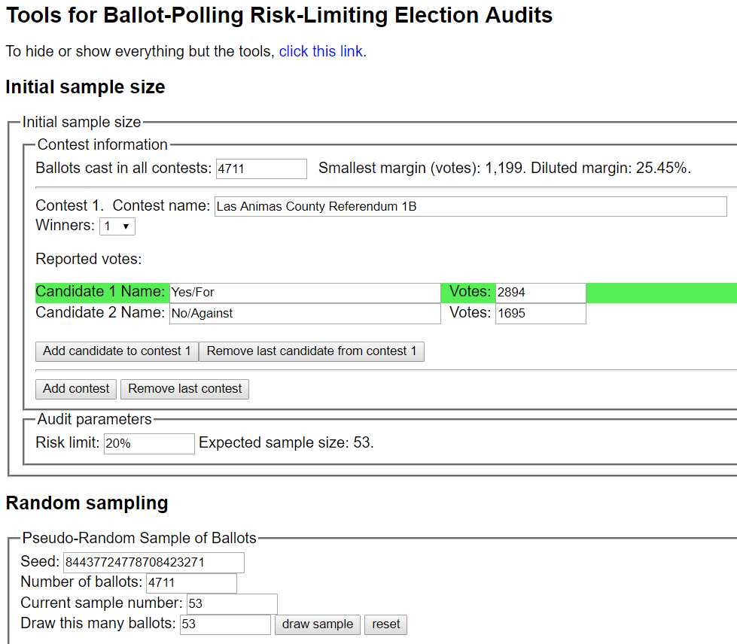
7 | 488 | 23 | 24 |  | 1
8 | 551 | 27 | 4 |  | 1
9 | 576 | 28 | 20 |  | 1
10 | 578 | 28 | 22 |  | 1
11 | 583 | 29 | 2 |  | 1
12 | 662 | 32 | 7 |  | 1
13 | 807 | 39 | 9 |  | 1
14 | 820 | 39 | 22 |  | 1
15 | 1091 | 53 | 4 |  | 1
16 | 1099 | 53 | 12 |  | 1
17 | 1219 | 59 | 3 |  | 1
18 | 1219 | 59 | 3 |  | 1
19 | 1274 | 61 | 8 |  | 1
20 | 1282 | 61 | 16 |  | 1
21 | 1329 | 63 | 13 |  | 1
22 | 1429 | 67 | 13 |  | 1
23 | 1445 | 68 | 4 |  | 1
24 | 1565 | 74 | 7 |  | 1
25 | 1700 | 80 | 6 |  | 1
26 | 1912 | 89 | 3 |  | 1
27 | 1946 | 90 | 12 |  | 1
28 | 2089 | 96 | 20 |  | 1
29 | 2225 | 102 | 19 |  | 1
30 | 2346 | 107 | 16 |  | 1
31 | 2347 | 107 | 17 |  | 1
32 | 2381 | 109 | 1 |  | 1
33 | 2482 | 113 | 10 |  | 1
34 | 2548 | 116 | 1 |  | 1
35 | 2556 | 116 | 9 |  | 1
36 | 2729 | 124 | 6 |  | 1
37 | 2875 | 130 | 6 |  | 1
38 | 2938 | 132 | 25 |  | 1
39 | 3039 | 139 | 1 |  | 1
40 | 3199 | 146 | 5 |  | 1
41 | 3280 | 150 | 15 |  | 1
42 | 3353 | 153 | 13 |  | 1
43 | 3433 | 156 | 26 |  | 1
44 | 3469 | 158 | 7 |  | 1
45 | 3721 | 169 | 5 |  | 1
46 | 3723 | 169 | 7 |  | 1
47 | 4113 | 186 | 14 |  | 1
48 | 4158 | 188 | 9 |  | 1
49 | 4401 | 198 | 1 |  | 1
50 | 4641 | 208 | 10 |  | 1
51 | 4648 | 208 | 17 |  | 1
52 | 4663 | 209 | 7 |  | 1
53 | 4690 | 210 | 6 |  | 1
54 | 180 | 8 | 19 |  | 2
55 | 281 | 14 | 8 |  | 2
56 | 455 | 22 | 18 |  | 2
57 | 501 | 24 | 12 |  | 2
58 | 559 | 28 | 3 |  | 2
59 | 602 | 29 | 21 |  | 2
60 | 760 | 36 | 15 |  | 2
61 | 849 | 41 | 1 |  | 2
62 | 1011 | 47 | 21 |  | 2
63 | 1023 | 48 | 10 |  | 2
64 | 1039 | 48 | 26 |  | 2
65 | 1130 | 54 | 18 |  | 2
66 | 2004 | 92 | 20 |  | 2
67 | 2339 | 107 | 9 |  | 2
68 | 2412 | 110 | 7 |  | 2
69 | 2412 | 110 | 7 |  | 2
70 | 2692 | 121 | 21 |  | 2
71 | 2872 | 130 | 3 |  | 2
72 | 3231 | 148 | 2 |  | 2
73 | 3619 | 164 | 15 |  | 2
74 | 3733 | 169 | 17 |  | 2
75 | 4081 | 185 | 10 |  | 2
76 | 4357 | 196 | 7 |  | 2
77 | 4400 | 197 | 25 |  | 2
78 | 4572 | 205 | 13 |  | 2

