Sheet1
sorted_number | ballot | batch_label | which_ballot_in_batch | Location | County | Montrose
1 | 123 | 3 | 23 | Box 1 | # of ballots to audit | 98
2 | 203 | 5 | 3 | Box 1 | Contest | Montrose Regional Library District Ballot Issue 5A
3 | 295 | 6 | 45 | Box 1 | # of candidates | 2
4 | 435 | 9 | 35 | Box 1 | Candidate 1 | Yes/For
5 | 495 | 10 | 45 | Box 1 | Candidate 2 | No/Against
6 | 536 | 11 | 36 | Box 1
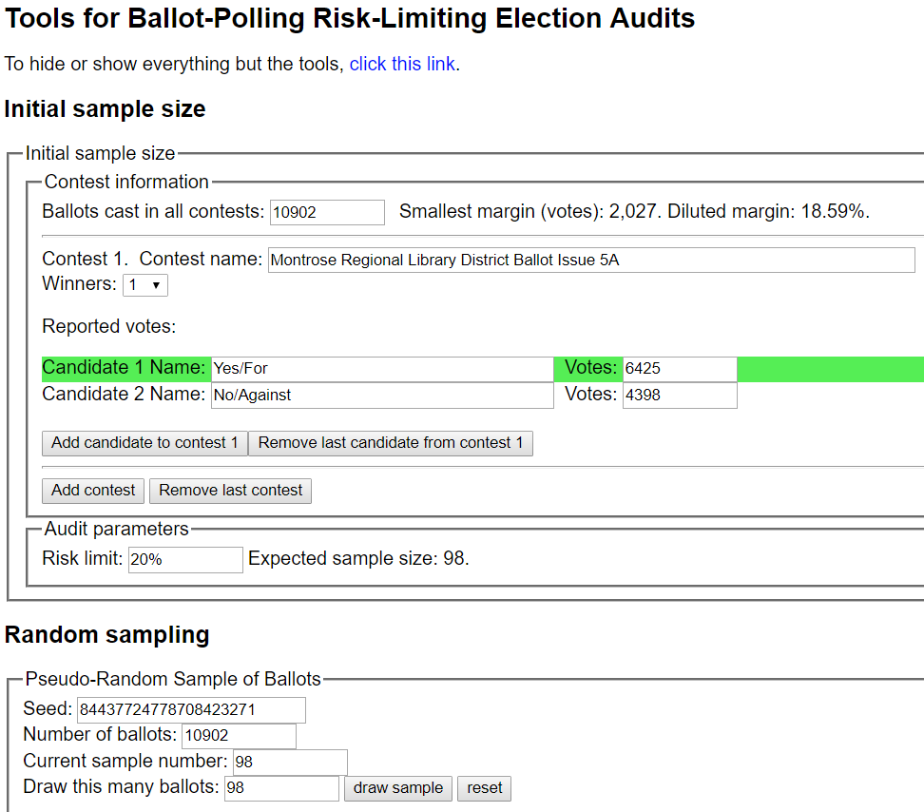
7 | 593 | 12 | 43 | Box 1
8 | 828 | 17 | 28 | Box 1
9 | 1082 | 22 | 32 | Box 1
10 | 1102 | 23 | 2 | Box 1
11 | 1146 | 23 | 46 | Box 1
12 | 1179 | 24 | 29 | Box 1
13 | 1250 | 25 | 50 | Box 1
14 | 1369 | 28 | 19 | Box 1
15 | 1447 | 29 | 47 | Box 1
16 | 1497 | 30 | 47 | Box 1
17 | 1532 | 31 | 32 | Box 2
18 | 1616 | 33 | 16 | Box 2
19 | 1637 | 33 | 37 | Box 2
20 | 1771 | 36 | 21 | Box 2
21 | 2219 | 45 | 19 | Box 2
22 | 2397 | 48 | 47 | Box 2
23 | 2471 | 50 | 21 | Box 2
24 | 2612 | 53 | 12 | Box 2
25 | 2743 | 55 | 43 | Box 2
26 | 2928 | 59 | 28 | Box 2
27 | 3033 | 61 | 33 | Box 3
28 | 3094 | 62 | 44 | Box 3
29 | 3112 | 63 | 12 | Box 3
30 | 3260 | 66 | 10 | Box 3
31 | 3387 | 69 | 13 | Box 3
32 | 3461 | 70 | 37 | Box 3
33 | 3974 | 80 | 50 | Box 3
34 | 4163 | 84 | 39 | Box 3
35 | 4248 | 86 | 24 | Box 3
36 | 4336 | 88 | 12 | Box 3
37 | 4340 | 88 | 16 | Box 3
38 | 4477 | 91 | 3 | Box 4
39 | 4683 | 95 | 9 | Box 4
40 | 4776 | 97 | 2 | Box 4
41 | 4990 | 101 | 16 | Box 4
42 | 4993 | 101 | 19 | Box 4
43 | 5092 | 103 | 18 | Box 4
44 | 5209 | 105 | 35 | Box 4
45 | 5253 | 106 | 29 | Box 4
46 | 5303 | 107 | 29 | Box 4
47 | 5443 | 110 | 19 | Box 4
48 | 5507 | 111 | 33 | Box 4
49 | 5664 | 114 | 40 | Box 4
50 | 5682 | 115 | 8 | Box 4
51 | 5964 | 121 | 17 | Box 4
52 | 5981 | 121 | 34 | Box 4
53 | 5990 | 121 | 43 | Box 4
54 | 6103 | 124 | 6 | Box 4
55 | 6155 | 125 | 8 | Box 4
56 | 6279 | 127 | 32 | Box 5
57 | 6359 | 129 | 12 | Box 5
58 | 6532 | 132 | 35 | Box 5
59 | 6630 | 134 | 33 | Box 5
60 | 6747 | 136 | 50 | Box 5
61 | 6896 | 139 | 49 | Box 5
62 | 7088 | 143 | 41 | Box 5
63 | 7178 | 145 | 31 | Box 5
64 | 7193 | 145 | 46 | Box 5
65 | 7388 | 149 | 41 | Box 5
66 | 7425 | 150 | 28 | Box 5
67 | 7497 | 151 | 50 | Box 5
68 | 7571 | 153 | 24 | Box 5
69 | 7783 | 157 | 36 | Box 6
70 | 7839 | 158 | 42 | Box 6
71 | 7864 | 159 | 17 | Box 6
72 | 7897 | 159 | 50 | Box 6
73 | 8202 | 166 | 5 | Box 6
74 | 8370 | 169 | 23 | Box 6
75 | 8419 | 170 | 22 | Box 6
76 | 8544 | 172 | 47 | Box 6
77 | 8575 | 173 | 28 | Box 6
78 | 8635 | 174 | 38 | Box 6
79 | 8678 | 175 | 31 | Box 6
80 | 8729 | 176 | 32 | Box 6
81 | 8730 | 176 | 33 | Box 6
82 | 8764 | 177 | 17 | Box 6
83 | 8924 | 180 | 27 | Box 6
84 | 9134 | 184 | 37 | Box 6
85 | 9314 | 188 | 17 | Box 7
86 | 9490 | 191 | 43 | Box 7
87 | 9518 | 192 | 21 | Box 7
88 | 9539 | 192 | 42 | Box 7
89 | 9686 | 195 | 39 | Box 7
90 | 9786 | 197 | 39 | Box 7
91 | 9879 | 199 | 32 | Box 7
92 | 10377 | 209 | 31 | Box 7
93 | 10392 | 209 | 46 | Box 7
94 | 10608 | 214 | 47 | Box 7
95 | 10691 | 216 | 30 | Box 7
96 | 10710 | 216 | 49 | Box 7
97 | 10792 | 221 | 18 | Box 7
98 | 10861 | 222 | 19 | Box 7

