Sheet1
sorted_number | ballot | batch_label | which_ballot_in_batch | Location | County | Rio Blanco
1 | 10 | 1 | 10 | Box 1 | # of ballots to audit | 137
2 | 15 | 1 | 15 | Box 1 | Contest | Rangely School District RE-4 Ballot Issue 3A
3 | 16 | 1 | 16 | Box 1 | # of candidates | 2
4 | 17 | 1 | 17 | Box 1 | Candidate 1 | Yes/For
5 | 37 | 2 | 12 | Box 1 | Candidate 2 | No/Against
6 | 48 | 2 | 23 | Box 1
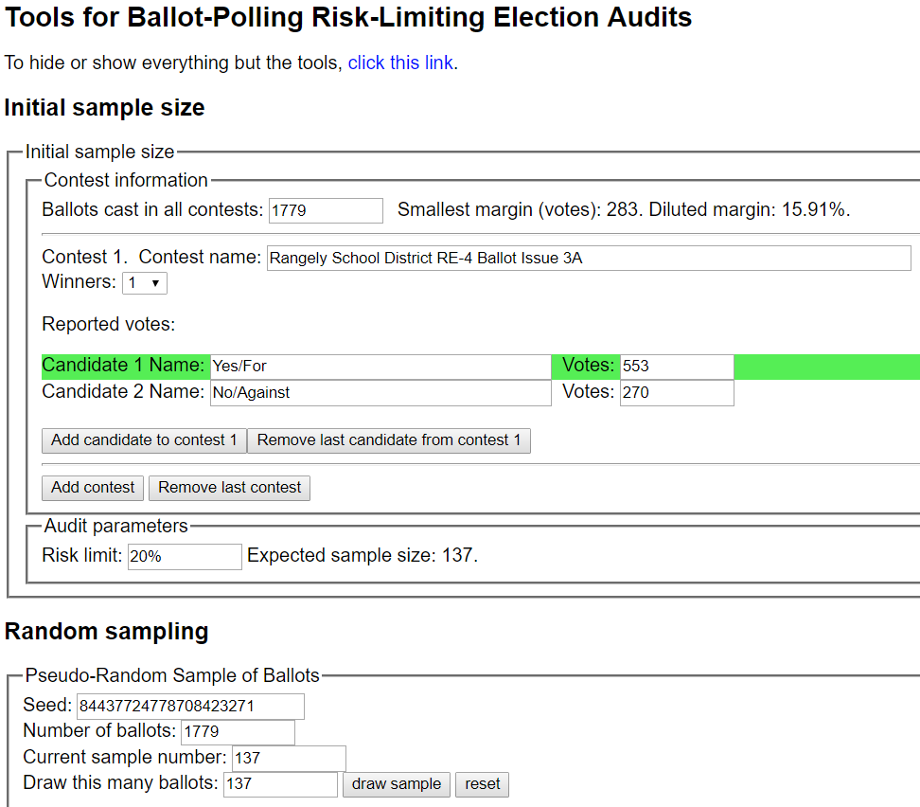
7 | 51 | 3 | 1 | Box 1
8 | 69 | 3 | 19 | Box 1
9 | 79 | 4 | 4 | Box 1
10 | 86 | 4 | 11 | Box 1
11 | 104 | 5 | 4 | Box 1
12 | 106 | 5 | 6 | Box 1
13 | 119 | 5 | 19 | Box 1
14 | 136 | 6 | 11 | Box 1
15 | 140 | 6 | 15 | Box 1
16 | 144 | 6 | 19 | Box 1
17 | 148 | 6 | 23 | Box 1
18 | 169 | 7 | 19 | Box 1
19 | 186 | 8 | 11 | Box 1
20 | 206 | 9 | 6 | Box 1
21 | 207 | 9 | 7 | Box 1
22 | 217 | 9 | 17 | Box 1
23 | 241 | 10 | 16 | Box 1
24 | 274 | 11 | 24 | Box 1
25 | 340 | 14 | 15 | Box 1
26 | 360 | 15 | 10 | Box 1
27 | 364 | 15 | 14 | Box 1
28 | 368 | 15 | 18 | Box 1
29 | 369 | 15 | 19 | Box 1
30 | 371 | 15 | 21 | Box 1
31 | 375 | 15 | 25 | Box 1
32 | 416 | 17 | 16 | Box 1
33 | 462 | 19 | 12 | Box 1
34 | 462 | 19 | 12 | Box 1
35 | 465 | 19 | 15 | Box 1
36 | 469 | 19 | 19 | Box 1
37 | 493 | 20 | 18 | Box 1
38 | 494 | 20 | 19 | Box 1
39 | 498 | 20 | 23 | Box 1
40 | 507 | 21 | 7 | Box 1
41 | 536 | 22 | 11 | Box 1
42 | 537 | 22 | 12 | Box 1
43 | 540 | 22 | 15 | Box 1
44 | 567 | 23 | 17 | Box 1
45 | 574 | 23 | 24 | Box 1
46 | 581 | 24 | 6 | Box 1
47 | 588 | 24 | 13 | Box 1
48 | 593 | 24 | 18 | Box 1
49 | 601 | 25 | 1 | Box 1
50 | 605 | 25 | 5 | Box 1
51 | 635 | 26 | 10 | Box 2
52 | 641 | 26 | 16 | Box 2
53 | 644 | 26 | 19 | Box 2
54 | 666 | 27 | 16 | Box 2
55 | 671 | 27 | 21 | Box 2
56 | 679 | 28 | 4 | Box 2
57 | 683 | 28 | 8 | Box 2
58 | 699 | 28 | 24 | Box 2
59 | 702 | 29 | 2 | Box 2
60 | 724 | 29 | 24 | Box 2
61 | 733 | 30 | 8 | Box 2
62 | 741 | 30 | 16 | Box 2
63 | 753 | 31 | 3 | Box 2
64 | 766 | 31 | 16 | Box 2
65 | 793 | 32 | 18 | Box 2
66 | 811 | 33 | 11 | Box 2
67 | 827 | 34 | 2 | Box 2
68 | 842 | 34 | 17 | Box 2
69 | 854 | 35 | 4 | Box 2
70 | 855 | 35 | 5 | Box 2
71 | 859 | 35 | 9 | Box 2
72 | 867 | 35 | 17 | Box 2
73 | 921 | 37 | 21 | Box 2
74 | 950 | 38 | 25 | Box 2
75 | 951 | 39 | 1 | Box 2
76 | 952 | 39 | 2 | Box 2
77 | 970 | 39 | 20 | Box 2
78 | 973 | 39 | 23 | Box 2
79 | 1001 | 41 | 1 | Box 2
80 | 1006 | 41 | 6 | Box 2
81 | 1007 | 41 | 7 | Box 2
82 | 1012 | 41 | 12 | Box 2
83 | 1020 | 41 | 20 | Box 2
84 | 1048 | 42 | 23 | Box 2
85 | 1058 | 43 | 8 | Box 2
86 | 1082 | 45 | 7 | Box 2
87 | 1095 | 45 | 20 | Box 2
88 | 1116 | 46 | 16 | Box 2
89 | 1116 | 46 | 16 | Box 2
90 | 1126 | 47 | 1 | Box 2
91 | 1132 | 47 | 7 | Box 2
92 | 1157 | 48 | 7 | Box 2
93 | 1157 | 48 | 7 | Box 2
94 | 1163 | 48 | 13 | Box 2
95 | 1174 | 48 | 24 | Box 2
96 | 1196 | 49 | 21 | Box 2
97 | 1209 | 50 | 9 | Box 2
98 | 1235 | 51 | 10 | Box 2
99 | 1239 | 51 | 14 | Box 2
100 | 1285 | 53 | 10 | Box 2
101 | 1287 | 53 | 12 | Box 2
102 | 1289 | 53 | 14 | Box 2
103 | 1295 | 53 | 20 | Box 2
104 | 1304 | 54 | 4 | Box 2
105 | 1311 | 54 | 11 | Box 2
106 | 1326 | 55 | 1 | Box 2
107 | 1331 | 55 | 6 | Box 2
108 | 1349 | 55 | 24 | Box 2
109 | 1350 | 55 | 25 | Box 2
110 | 1370 | 56 | 20 | Box 2
111 | 1377 | 57 | 2 | Box 2
112 | 1392 | 57 | 17 | Box 2
113 | 1396 | 57 | 21 | Box 2
114 | 1397 | 57 | 22 | Box 2
115 | 1424 | 58 | 24 | Box 2
116 | 1436 | 59 | 11 | Box 2
117 | 1450 | 59 | 25 | Box 2
118 | 1452 | 60 | 2 | Box 2
119 | 1456 | 60 | 6 | Box 2
120 | 1474 | 60 | 24 | Box 2
121 | 1486 | 61 | 11 | Box 2
122 | 1487 | 61 | 12 | Box 2
123 | 1554 | 67 | 4 | Box 2
124 | 1557 | 67 | 7 | Box 2
125 | 1568 | 67 | 18 | Box 2
126 | 1576 | 68 | 1 | Box 2
127 | 1581 | 68 | 6 | Box 2
128 | 1601 | 69 | 1 | Box 2
129 | 1613 | 69 | 13 | Box 2
130 | 1614 | 69 | 14 | Box 2
131 | 1624 | 69 | 24 | Box 2
132 | 1633 | 70 | 8 | Box 2
133 | 1702 | 73 | 2 | Box 2
134 | 1719 | 73 | 19 | Box 2
135 | 1723 | 73 | 23 | Box 2
136 | 1737 | 74 | 12 | Box 2
137 | 1760 | 75 | 10 | Box 2

