Sheet1
sorted_number | ballot | batch_label | which_ballot_in_batch | Location | Round # | Garfield
1 | 68 | 2 | 18 | 1 | 1 | # of ballots to audit | 315
2 | 81 | 2 | 31 | 1 | 1
3 | 243 | 6 | 46 | 1 | 1 | Contest | Proposition 110 (STATUTORY)
4 | 276 | 7 | 29 | 1 | 1 | # of candidates | 2
5 | 304 | 8 | 7 | 1 | 1 | Candidate 1 | Yes/For
6 | 319 | 8 | 22 | 1 | 1 | Candidate 2 | No/Against
7 | 758 | 18 | 11 | 1 | 1 | Candidate 3 | Undervote
8 | 791 | 18 | 44 | 1 | 1 | Candidate 4 | Overvote
9 | 1072 | 23 | 29 | 1 | 1
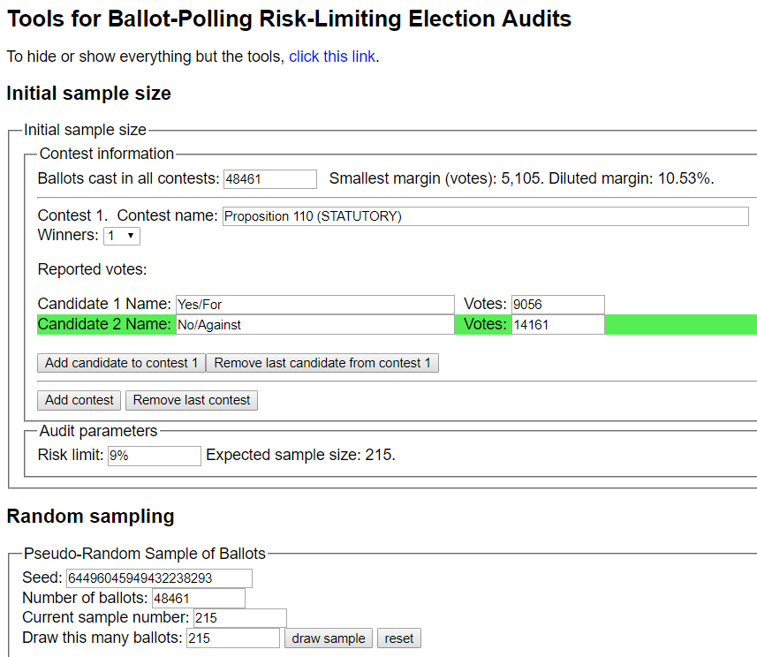
10 | 1438 | 30 | 45 | 1 | 1
11 | 1702 | 36 | 9 | 2 | 1
12 | 1825 | 38 | 32 | 2 | 1
13 | 1837 | 38 | 44 | 2 | 1
14 | 2334 | 48 | 42 | 2 | 1
15 | 2379 | 49 | 37 | 2 | 1
16 | 3015 | 62 | 23 | 2 | 1
17 | 3197 | 66 | 5 | 3 | 1
18 | 3678 | 75 | 36 | 3 | 1
19 | 3812 | 78 | 21 | 3 | 1
20 | 3828 | 78 | 37 | 3 | 1
21 | 3882 | 79 | 41 | 3 | 1
22 | 3895 | 80 | 4 | 3 | 1
23 | 3958 | 81 | 18 | 3 | 1
24 | 4049 | 83 | 9 | 3 | 1
25 | 4328 | 88 | 38 | 3 | 1
26 | 4486 | 91 | 46 | 3 | 1
27 | 4788 | 97 | 48 | 4 | 1
28 | 5228 | 106 | 38 | 4 | 1
29 | 5325 | 108 | 35 | 4 | 1
30 | 5639 | 114 | 49 | 4 | 1
31 | 5756 | 117 | 16 | 4 | 1 | Round 1 Results
32 | 5998 | 122 | 8 | 4 | 1
33 | 6121 | 124 | 31 | 5 | 1
34 | 6185 | 125 | 45 | 5 | 1
35 | 6228 | 126 | 38 | 5 | 1
36 | 6354 | 129 | 14 | 5 | 1
37 | 6902 | 140 | 12 | 5 | 1
38 | 7146 | 145 | 6 | 5 | 1
39 | 7283 | 147 | 43 | 5 | 1 | Round 2 Results with additional 100 ballots
40 | 7493 | 152 | 3 | 5 | 1
41 | 7954 | 161 | 14 | 6 | 1
42 | 8292 | 168 | 3 | 6 | 1
43 | 8311 | 168 | 22 | 6 | 1
44 | 8515 | 172 | 26 | 6 | 1
45 | 9073 | 183 | 34 | 7 | 1
46 | 9147 | 185 | 9 | 7 | 1
47 | 9460 | 191 | 22 | 7 | 1
48 | 10370 | 209 | 33 | 7 | 1
49 | 10710 | 216 | 23 | 8 | 1
50 | 11143 | 225 | 7 | 8 | 1
51 | 11189 | 226 | 3 | 8 | 1
52 | 11249 | 227 | 13 | 8 | 1
53 | 11352 | 229 | 16 | 8 | 1
54 | 12075 | 243 | 39 | 9 | 1
55 | 12144 | 245 | 8 | 9 | 1
56 | 12364 | 249 | 28 | 9 | 1
57 | 12420 | 250 | 34 | 9 | 1
58 | 12558 | 253 | 22 | 9 | 1
59 | 12981 | 261 | 45 | 9 | 1
60 | 13060 | 263 | 24 | 9 | 1
61 | 13156 | 265 | 20 | 9 | 1
62 | 13453 | 271 | 17 | 9 | 1
63 | 13995 | 282 | 9 | 10 | 1
64 | 14076 | 283 | 40 | 10 | 1
65 | 14560 | 293 | 24 | 10 | 1
66 | 14599 | 294 | 13 | 10 | 1
67 | 14954 | 301 | 18 | 10 | 1
68 | 15159 | 305 | 23 | 11 | 1
69 | 15496 | 312 | 10 | 11 | 1
70 | 15783 | 317 | 47 | 11 | 1
71 | 15928 | 320 | 42 | 11 | 1
72 | 16078 | 323 | 42 | 11 | 1
73 | 16080 | 323 | 44 | 11 | 1
74 | 16118 | 324 | 32 | 11 | 1
75 | 16180 | 325 | 44 | 11 | 1
76 | 16208 | 326 | 22 | 11 | 1
77 | 16691 | 336 | 5 | 12 | 1
78 | 16767 | 338 | 31 | 12 | 1
79 | 16823 | 339 | 37 | 12 | 1
80 | 16944 | 342 | 8 | 12 | 1
81 | 17024 | 343 | 38 | 12 | 1
82 | 17060 | 344 | 24 | 12 | 1
83 | 17083 | 344 | 47 | 12 | 1
84 | 17101 | 345 | 15 | 12 | 1
85 | 17214 | 347 | 28 | 12 | 1
86 | 17254 | 348 | 18 | 12 | 1
87 | 17576 | 354 | 40 | 12 | 1
88 | 17926 | 361 | 40 | 12 | 1
89 | 18190 | 367 | 4 | 13 | 1
90 | 18804 | 379 | 19 | 13 | 1
91 | 18930 | 381 | 45 | 13 | 1
92 | 18933 | 381 | 48 | 13 | 1
93 | 19453 | 392 | 20 | 13 | 1
94 | 19622 | 395 | 39 | 14 | 1
95 | 19884 | 401 | 1 | 14 | 1
96 | 20425 | 411 | 42 | 14 | 1
97 | 20714 | 417 | 31 | 14 | 1
98 | 20829 | 419 | 46 | 14 | 1
99 | 21113 | 425 | 30 | 15 | 1
100 | 21487 | 433 | 5 | 15 | 1
101 | 21511 | 433 | 29 | 15 | 1
102 | 21940 | 442 | 9 | 15 | 1
103 | 22062 | 444 | 31 | 15 | 1
104 | 22129 | 445 | 48 | 15 | 1
105 | 22139 | 446 | 8 | 15 | 1
106 | 22203 | 447 | 22 | 15 | 1
107 | 22381 | 451 | 1 | 15 | 1
108 | 22411 | 451 | 31 | 15 | 1
109 | 23915 | 481 | 37 | 16 | 1
110 | 23947 | 482 | 19 | 16 | 1
111 | 24235 | 488 | 7 | 17 | 1
112 | 24348 | 490 | 20 | 17 | 1
113 | 24691 | 497 | 13 | 17 | 1
114 | 24792 | 499 | 14 | 17 | 1
115 | 24800 | 499 | 22 | 17 | 1
116 | 24827 | 499 | 49 | 17 | 1
117 | 24854 | 500 | 26 | 17 | 1
118 | 25135 | 506 | 7 | 17 | 1
119 | 25144 | 506 | 16 | 17 | 1
120 | 25166 | 506 | 38 | 17 | 1
121 | 25335 | 510 | 7 | 17 | 1
122 | 25599 | 515 | 21 | 18 | 1
123 | 25934 | 522 | 6 | 18 | 1
124 | 26545 | 534 | 17 | 18 | 1
125 | 26706 | 538 | 28 | 18 | 1
126 | 26869 | 541 | 41 | 18 | 1
127 | 26895 | 542 | 17 | 18 | 1
128 | 27145 | 547 | 17 | 19 | 1
129 | 27172 | 547 | 44 | 19 | 1
130 | 27708 | 558 | 30 | 19 | 1
131 | 28015 | 564 | 37 | 19 | 1
132 | 28053 | 565 | 25 | 19 | 1
133 | 28171 | 567 | 43 | 19 | 1
134 | 28262 | 569 | 35 | 19 | 1
135 | 28576 | 575 | 49 | 19 | 1
136 | 28766 | 579 | 39 | 20 | 1
137 | 28973 | 583 | 47 | 20 | 1
138 | 29180 | 588 | 4 | 20 | 1
139 | 29331 | 591 | 5 | 20 | 1
140 | 29482 | 594 | 6 | 20 | 1
141 | 29739 | 599 | 13 | 20 | 1
142 | 29786 | 600 | 10 | 20 | 1
143 | 30487 | 614 | 11 | 21 | 1
144 | 30734 | 619 | 8 | 21 | 1
145 | 30809 | 620 | 33 | 21 | 1
146 | 30839 | 621 | 13 | 21 | 1
147 | 31300 | 630 | 24 | 21 | 1
148 | 31640 | 637 | 14 | 22 | 1
149 | 31734 | 639 | 8 | 22 | 1
150 | 32195 | 648 | 19 | 22 | 1
151 | 32244 | 649 | 18 | 22 | 1
152 | 32524 | 654 | 48 | 22 | 1
153 | 32586 | 656 | 10 | 22 | 1
154 | 32874 | 661 | 48 | 22 | 1
155 | 32917 | 662 | 41 | 22 | 1
156 | 32938 | 663 | 12 | 22 | 1
157 | 32992 | 664 | 16 | 22 | 1
158 | 33463 | 673 | 37 | 23 | 1
159 | 33513 | 674 | 37 | 23 | 1
160 | 33739 | 679 | 13 | 23 | 1
161 | 34003 | 684 | 27 | 23 | 1
162 | 34223 | 688 | 47 | 23 | 1
163 | 34224 | 688 | 48 | 23 | 1
164 | 34292 | 690 | 16 | 23 | 1
165 | 34823 | 700 | 47 | 24 | 1
166 | 35051 | 705 | 25 | 24 | 1
167 | 35374 | 711 | 48 | 24 | 1
168 | 35729 | 719 | 3 | 24 | 1
169 | 35849 | 721 | 23 | 24 | 1
170 | 36157 | 727 | 31 | 25 | 1
171 | 36279 | 730 | 3 | 25 | 1
172 | 36399 | 732 | 23 | 25 | 1
173 | 36824 | 740 | 49 | 25 | 1
174 | 37172 | 747 | 47 | 25 | 1
175 | 37401 | 752 | 26 | 25 | 1
176 | 37417 | 752 | 42 | 25 | 1
177 | 37776 | 760 | 1 | 26 | 1
178 | 37921 | 762 | 46 | 26 | 1
179 | 38233 | 769 | 8 | 26 | 1
180 | 38583 | 776 | 8 | 26 | 1
181 | 39177 | 788 | 2 | 27 | 1
182 | 39264 | 789 | 39 | 27 | 1
183 | 39635 | 797 | 10 | 27 | 1
184 | 39725 | 798 | 50 | 27 | 1
185 | 40050 | 805 | 25 | 27 | 1
186 | 40165 | 807 | 40 | 27 | 1
187 | 40578 | 816 | 3 | 28 | 1
188 | 40912 | 822 | 37 | 28 | 1
189 | 41104 | 826 | 29 | 28 | 1
190 | 41238 | 829 | 13 | 28 | 1
191 | 42066 | 845 | 43 | 28 | 1
192 | 42149 | 847 | 26 | 29 | 1
193 | 42258 | 849 | 35 | 29 | 1
194 | 42440 | 853 | 17 | 29 | 1
195 | 42881 | 862 | 8 | 29 | 1
196 | 43348 | 871 | 25 | 29 | 1
197 | 43584 | 876 | 11 | 30 | 1
198 | 43708 | 878 | 36 | 30 | 1
199 | 43944 | 883 | 22 | 30 | 1
200 | 44269 | 889 | 47 | 30 | 1
201 | 44929 | 903 | 7 | 30 | 1
202 | 45131 | 907 | 9 | 31 | 1
203 | 45316 | 910 | 44 | 31 | 1
204 | 45352 | 911 | 30 | 31 | 1
205 | 45460 | 913 | 38 | 31 | 1
206 | 45544 | 915 | 22 | 31 | 1
207 | 45956 | 923 | 34 | 31 | 1
208 | 46112 | 926 | 42 | 31 | 1
209 | 46600 | 936 | 30 | 32 | 1
210 | 47111 | 946 | 41 | 32 | 1
211 | 47128 | 947 | 8 | 32 | 1
212 | 48002 | 967 | 50 | 33 | 1
213 | 48115 | 969 | 21 | 33 | 1
214 | 48144 | 970 | 18 | 33 | 1
215 | 48457 | 980 | 40 | 33 | 1
216 | 350 | 9 | 3 | 1 | 2
217 | 1105 | 24 | 12 | 1 | 2
218 | 1396 | 30 | 3 | 1 | 2
219 | 1753 | 37 | 10 | 2 | 2
220 | 3429 | 70 | 37 | 3 | 2
...

