Sheet1
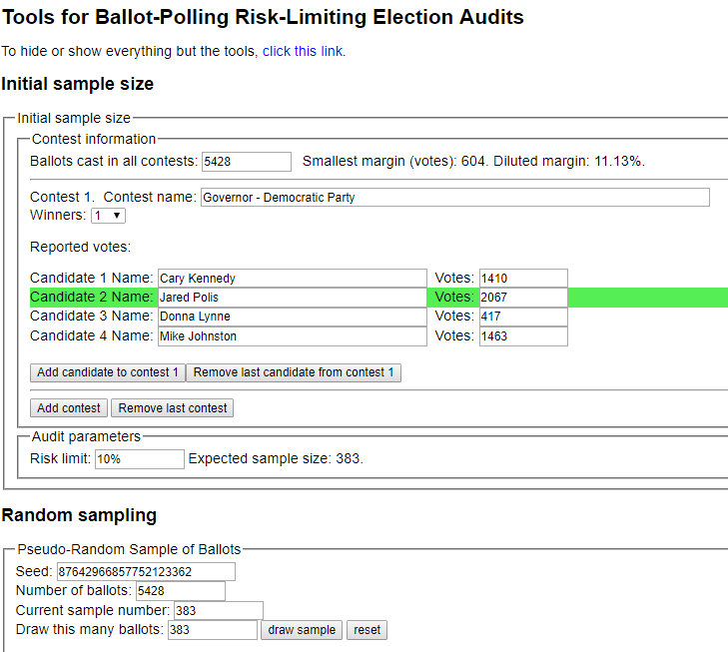
sorted_number | ballot | batch_label | which_ballot_in_batch | Location | Round # | County | Garfield
1 | 68 | 2 | 18 | Box 2 | 1 | # of ballots to audit | 383
2 | 74 | 2 | 24 | Box 2 | 1
3 | 85 | 2 | 35 | Box 2 | 1 | Contest | Governor - Democratic Party
4 | 89 | 2 | 39 | Box 2 | 1 | # of candidates | 4
5 | 93 | 2 | 43 | Box 2 | 1 | Candidate 1 | Cary Kennedy
6 | 94 | 2 | 44 | Box 2 | 1 | Candidate 2 | Jared Polis
7 | 105 | 3 | 5 | Box 2 | 1 | Candidate 3 | Donna Lynne
8 | 109 | 3 | 9 | Box 2 | 1 | Candidate 4 | Mike Johnston
9 | 134 | 3 | 34 | Box 2 | 1 | Candidate 5 | Undervote
10 | 164 | 4 | 14 | Box 2 | 1 | Candidate 6 | Overvote
11 | 164 | 4 | 14 | Box 2 | 1
12 | 174 | 4 | 24 | Box 2 | 1
13 | 182 | 4 | 32 | Box 2 | 1
14 | 194 | 4 | 44 | Box 2 | 1
15 | 195 | 4 | 45 | Box 2 | 1
16 | 201 | 5 | 1 | Box 2 | 1
17 | 211 | 5 | 11 | Box 2 | 1
18 | 212 | 5 | 12 | Box 2 | 1
19 | 217 | 5 | 17 | Box 2 | 1
20 | 235 | 5 | 35 | Box 2 | 1
21 | 245 | 5 | 45 | Box 2 | 1
22 | 351 | 8 | 1 | Box 2 | 1
23 | 365 | 8 | 15 | Box 2 | 1
24 | 371 | 8 | 21 | Box 2 | 1
25 | 387 | 8 | 37 | Box 2 | 1
26 | 397 | 8 | 47 | Box 2 | 1
27 | 410 | 9 | 10 | Box 2 | 1
28 | 416 | 9 | 16 | Box 2 | 1
29 | 417 | 9 | 17 | Box 2 | 1
30 | 427 | 9 | 27 | Box 2 | 1
31 | 474 | 10 | 24 | Box 2 | 1
32 | 517 | 11 | 17 | Box 2 | 1
33 | 535 | 11 | 35 | Box 2 | 1
34 | 553 | 12 | 3 | Box 2 | 1
35 | 554 | 12 | 4 | Box 2 | 1
36 | 574 | 12 | 24 | Box 2 | 1
37 | 576 | 12 | 26 | Box 2 | 1
38 | 589 | 12 | 39 | Box 2 | 1
39 | 596 | 12 | 46 | Box 2 | 1
40 | 612 | 13 | 12 | Box 2 | 1
41 | 612 | 13 | 12 | Box 2 | 1
42 | 622 | 13 | 22 | Box 2 | 1
43 | 675 | 14 | 25 | Box 2 | 1
44 | 688 | 14 | 38 | Box 2 | 1
45 | 690 | 14 | 40 | Box 2 | 1
46 | 691 | 14 | 41 | Box 2 | 1
47 | 728 | 15 | 28 | Box 2 | 1
48 | 752 | 16 | 2 | Box 2 | 1
49 | 765 | 16 | 15 | Box 2 | 1
50 | 816 | 17 | 16 | Box 2 | 1
51 | 839 | 17 | 39 | Box 2 | 1
52 | 841 | 17 | 41 | Box 2 | 1
53 | 850 | 17 | 50 | Box 2 | 1
54 | 873 | 18 | 23 | Box 2 | 1
55 | 905 | 19 | 5 | Box 2 | 1
56 | 910 | 19 | 10 | Box 2 | 1
57 | 938 | 19 | 38 | Box 2 | 1
58 | 943 | 19 | 43 | Box 2 | 1
59 | 981 | 20 | 31 | Box 2 | 1
60 | 987 | 20 | 37 | Box 2 | 1
61 | 1001 | 21 | 1 | Box 2 | 1
62 | 1002 | 21 | 2 | Box 2 | 1
63 | 1016 | 21 | 16 | Box 2 | 1
64 | 1023 | 21 | 23 | Box 2 | 1
65 | 1025 | 21 | 25 | Box 2 | 1
66 | 1037 | 21 | 37 | Box 2 | 1
67 | 1038 | 21 | 38 | Box 2 | 1
68 | 1041 | 21 | 41 | Box 2 | 1
69 | 1051 | 22 | 1 | Box 2 | 1
70 | 1060 | 22 | 10 | Box 2 | 1
71 | 1095 | 22 | 45 | Box 2 | 1
72 | 1104 | 23 | 4 | Box 2 | 1
73 | 1137 | 23 | 37 | Box 2 | 1
74 | 1156 | 24 | 6 | Box 2 | 1
75 | 1195 | 24 | 45 | Box 2 | 1
76 | 1197 | 24 | 47 | Box 2 | 1
77 | 1198 | 24 | 48 | Box 2 | 1
78 | 1209 | 25 | 9 | Box 2 | 1
79 | 1240 | 25 | 40 | Box 2 | 1
80 | 1246 | 25 | 46 | Box 2 | 1
81 | 1260 | 26 | 10 | Box 2 | 1
82 | 1276 | 26 | 26 | Box 2 | 1
83 | 1282 | 26 | 32 | Box 2 | 1
84 | 1284 | 26 | 34 | Box 2 | 1
85 | 1303 | 27 | 3 | Box 2 | 1
86 | 1304 | 27 | 4 | Box 2 | 1
87 | 1310 | 27 | 10 | Box 2 | 1
88 | 1366 | 28 | 16 | Box 4 | 1
89 | 1399 | 28 | 49 | Box 4 | 1
90 | 1412 | 29 | 12 | Box 4 | 1
91 | 1435 | 29 | 35 | Box 4 | 1
92 | 1440 | 29 | 40 | Box 4 | 1
93 | 1467 | 30 | 17 | Box 4 | 1
94 | 1468 | 30 | 18 | Box 4 | 1
95 | 1491 | 30 | 41 | Box 4 | 1
96 | 1502 | 31 | 2 | Box 4 | 1
97 | 1531 | 31 | 31 | Box 4 | 1
98 | 1536 | 31 | 36 | Box 4 | 1
99 | 1547 | 31 | 47 | Box 4 | 1
100 | 1562 | 32 | 12 | Box 4 | 1
101 | 1588 | 32 | 38 | Box 4 | 1
102 | 1598 | 32 | 48 | Box 4 | 1
103 | 1604 | 33 | 4 | Box 4 | 1
104 | 1608 | 33 | 8 | Box 4 | 1
105 | 1623 | 33 | 23 | Box 4 | 1
106 | 1627 | 33 | 27 | Box 4 | 1
107 | 1631 | 33 | 31 | Box 4 | 1
108 | 1652 | 34 | 2 | Box 4 | 1
109 | 1678 | 34 | 28 | Box 4 | 1
110 | 1696 | 34 | 46 | Box 4 | 1
111 | 1711 | 35 | 11 | Box 4 | 1
112 | 1717 | 35 | 17 | Box 4 | 1
113 | 1722 | 35 | 22 | Box 4 | 1
114 | 1726 | 35 | 26 | Box 4 | 1
115 | 1739 | 35 | 39 | Box 4 | 1
116 | 1747 | 35 | 47 | Box 4 | 1
117 | 1752 | 36 | 2 | Box 4 | 1
118 | 1754 | 36 | 4 | Box 4 | 1
119 | 1782 | 36 | 32 | Box 4 | 1
120 | 1788 | 36 | 38 | Box 4 | 1
121 | 1789 | 36 | 39 | Box 4 | 1
122 | 1801 | 37 | 1 | Box 4 | 1
123 | 1817 | 37 | 17 | Box 4 | 1
124 | 1826 | 37 | 26 | Box 4 | 1
125 | 1852 | 38 | 2 | Box 4 | 1
126 | 1867 | 38 | 17 | Box 4 | 1
127 | 1869 | 38 | 19 | Box 4 | 1
128 | 1895 | 38 | 45 | Box 4 | 1
129 | 1899 | 38 | 49 | Box 4 | 1
130 | 1921 | 39 | 21 | Box 4 | 1
131 | 1930 | 39 | 30 | Box 4 | 1
132 | 1952 | 40 | 2 | Box 4 | 1
133 | 1955 | 40 | 5 | Box 4 | 1
134 | 2024 | 41 | 24 | Box 4 | 1
135 | 2050 | 41 | 50 | Box 4 | 1
136 | 2103 | 43 | 3 | Box 4 | 1
137 | 2107 | 43 | 7 | Box 4 | 1
138 | 2112 | 43 | 12 | Box 4 | 1
139 | 2124 | 43 | 24 | Box 4 | 1
140 | 2144 | 43 | 44 | Box 4 | 1
141 | 2176 | 44 | 26 | Box 4 | 1
142 | 2203 | 45 | 3 | Box 4 | 1
143 | 2220 | 45 | 20 | Box 4 | 1
144 | 2273 | 46 | 23 | Box 4 | 1
145 | 2317 | 47 | 17 | Box 4 | 1
146 | 2341 | 47 | 41 | Box 4 | 1
147 | 2344 | 47 | 44 | Box 4 | 1
148 | 2398 | 48 | 48 | Box 4 | 1
149 | 2399 | 48 | 49 | Box 4 | 1
150 | 2407 | 49 | 7 | Box 4 | 1
151 | 2419 | 49 | 19 | Box 4 | 1
152 | 2424 | 49 | 24 | Box 4 | 1
153 | 2441 | 49 | 41 | Box 4 | 1
154 | 2447 | 49 | 47 | Box 4 | 1
155 | 2460 | 50 | 10 | Box 4 | 1
156 | 2463 | 50 | 13 | Box 4 | 1
157 | 2471 | 50 | 21 | Box 4 | 1
158 | 2487 | 50 | 37 | Box 4 | 1
159 | 2489 | 50 | 39 | Box 4 | 1
160 | 2496 | 50 | 46 | Box 4 | 1
161 | 2523 | 51 | 23 | Box 6 | 1
162 | 2530 | 51 | 30 | Box 6 | 1
163 | 2541 | 51 | 41 | Box 6 | 1
164 | 2552 | 52 | 2 | Box 6 | 1
165 | 2558 | 52 | 8 | Box 6 | 1
166 | 2564 | 52 | 14 | Box 6 | 1
167 | 2587 | 52 | 37 | Box 6 | 1
168 | 2603 | 53 | 3 | Box 6 | 1
169 | 2608 | 53 | 8 | Box 6 | 1
170 | 2609 | 53 | 9 | Box 6 | 1
171 | 2645 | 53 | 45 | Box 6 | 1
172 | 2657 | 54 | 7 | Box 6 | 1
173 | 2659 | 54 | 9 | Box 6 | 1
174 | 2666 | 54 | 16 | Box 6 | 1
175 | 2674 | 54 | 24 | Box 6 | 1
176 | 2681 | 54 | 31 | Box 6 | 1
177 | 2704 | 55 | 4 | Box 6 | 1
178 | 2715 | 55 | 15 | Box 6 | 1
179 | 2716 | 55 | 16 | Box 6 | 1
180 | 2718 | 55 | 18 | Box 6 | 1
181 | 2750 | 55 | 50 | Box 6 | 1
182 | 2756 | 56 | 6 | Box 6 | 1
183 | 2775 | 56 | 25 | Box 6 | 1
184 | 2775 | 56 | 25 | Box 6 | 1
185 | 2780 | 56 | 30 | Box 6 | 1
186 | 2795 | 56 | 45 | Box 6 | 1
187 | 2819 | 57 | 19 | Box 6 | 1
188 | 2827 | 57 | 27 | Box 6 | 1
189 | 2843 | 57 | 43 | Box 6 | 1
190 | 2865 | 58 | 15 | Box 6 | 1
191 | 2872 | 58 | 22 | Box 6 | 1
192 | 2887 | 58 | 37 | Box 6 | 1
193 | 2894 | 58 | 44 | Box 6 | 1
194 | 2900 | 58 | 50 | Box 6 | 1
195 | 2922 | 59 | 22 | Box 6 | 1
196 | 2926 | 59 | 26 | Box 6 | 1
197 | 2928 | 59 | 28 | Box 6 | 1
198 | 2935 | 59 | 35 | Box 6 | 1
199 | 2951 | 60 | 1 | Box 6 | 1
200 | 2984 | 60 | 34 | Box 6 | 1
201 | 2991 | 60 | 41 | Box 6 | 1
202 | 2991 | 60 | 41 | Box 6 | 1
203 | 2997 | 60 | 47 | Box 6 | 1
204 | 3015 | 61 | 15 | Box 6 | 1
205 | 3031 | 61 | 31 | Box 6 | 1
206 | 3056 | 62 | 6 | Box 6 | 1
207 | 3068 | 62 | 18 | Box 6 | 1
208 | 3074 | 62 | 24 | Box 6 | 1
209 | 3075 | 62 | 25 | Box 6 | 1
210 | 3084 | 62 | 34 | Box 6 | 1
211 | 3094 | 62 | 44 | Box 6 | 1
212 | 3111 | 63 | 11 | Box 6 | 1
...

