Sheet1
sorted_number | ballot | batch_label | which_ballot_in_batch | Location | Round # | Hinsdale
1 | 6 | 1 | 6 | box | 1 | # of ballots to audit | 140
2 | 7 | 1 | 7 | box | 1
3 | 20 | 1 | 20 | box | 1 | Contest | Hinsdale County School District RE-1 Ballot Issue 4A
4 | 26 | 1 | 26 | box | 1 | # of candidates | 2
5 | 51 | 2 | 1 | box | 1 | Candidate 1 | Yes/For
6 | 54 | 2 | 4 | box | 1 | Candidate 2 | No/Against
7 | 69 | 2 | 19 | box | 1 | Candidate 3 | Undervote
8 | 78 | 2 | 28 | box | 1 | Candidate 4 | Overvote
9 | 79 | 2 | 29 | box | 1
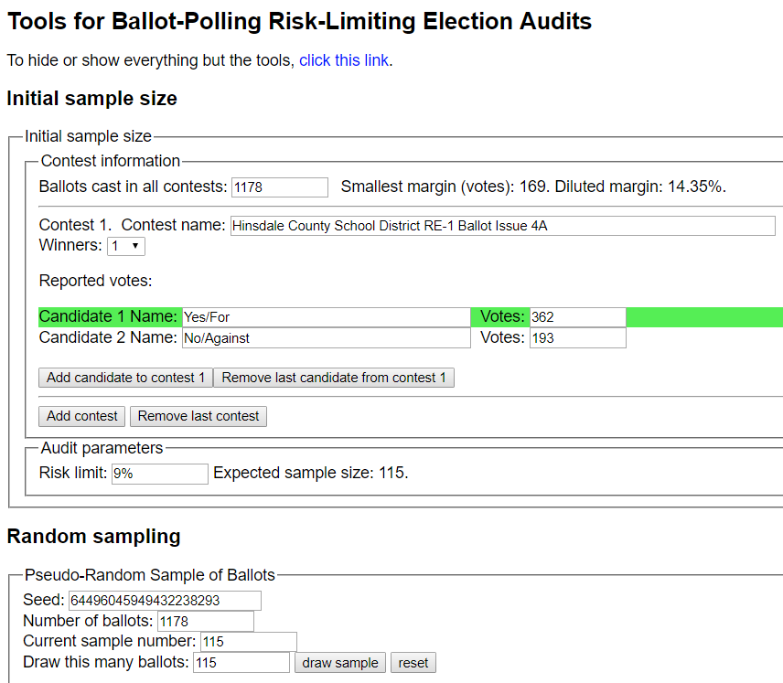
10 | 81 | 2 | 31 | box | 1
11 | 100 | 2 | 50 | box | 1
12 | 102 | 3 | 2 | box | 1
13 | 133 | 3 | 33 | box | 1
14 | 149 | 3 | 49 | box | 1
15 | 159 | 4 | 9 | box | 1
16 | 169 | 4 | 19 | box | 1
17 | 173 | 4 | 23 | box | 1
18 | 196 | 4 | 46 | box | 1
19 | 205 | 5 | 5 | box | 1
20 | 220 | 5 | 20 | box | 1
21 | 229 | 5 | 29 | box | 1
22 | 232 | 5 | 32 | box | 1
23 | 245 | 5 | 45 | box | 1
24 | 254 | 6 | 4 | box | 1
25 | 256 | 6 | 6 | box | 1
26 | 282 | 6 | 32 | box | 1
27 | 287 | 6 | 37 | box | 1
28 | 287 | 6 | 37 | box | 1
29 | 294 | 6 | 44 | box | 1
30 | 303 | 7 | 3 | box | 1
31 | 317 | 7 | 17 | box | 1 | Round 1 Results
32 | 323 | 7 | 23 | box | 1
33 | 369 | 8 | 19 | box | 1
34 | 377 | 8 | 27 | box | 1
35 | 388 | 8 | 38 | box | 1
36 | 388 | 8 | 38 | box | 1
37 | 406 | 9 | 6 | box | 1
38 | 418 | 9 | 18 | box | 1
39 | 420 | 9 | 20 | box | 1 | Round 2 Results with additional 25 ballots
40 | 424 | 9 | 24 | box | 1
41 | 428 | 9 | 28 | box | 1
42 | 428 | 9 | 28 | box | 1
43 | 440 | 9 | 40 | box | 1
44 | 449 | 9 | 49 | box | 1
45 | 461 | 10 | 11 | box | 1
46 | 469 | 10 | 19 | box | 1
47 | 475 | 10 | 25 | box | 1
48 | 490 | 10 | 40 | box | 1
49 | 526 | 11 | 26 | box | 1
50 | 527 | 11 | 27 | box | 1
51 | 527 | 11 | 27 | box | 1
52 | 528 | 11 | 28 | box | 1
53 | 528 | 11 | 28 | box | 1
54 | 539 | 11 | 39 | box | 1
55 | 554 | 12 | 4 | box | 1
56 | 565 | 12 | 15 | box | 1
57 | 568 | 12 | 18 | box | 1
58 | 571 | 12 | 21 | box | 1
59 | 571 | 12 | 21 | box | 1
60 | 576 | 12 | 26 | box | 1
61 | 579 | 12 | 29 | box | 1
62 | 582 | 12 | 32 | box | 1
63 | 600 | 12 | 50 | box | 1
64 | 602 | 13 | 2 | box | 1
65 | 608 | 13 | 8 | box | 1
66 | 618 | 13 | 18 | box | 1
67 | 619 | 13 | 19 | box | 1
68 | 622 | 13 | 22 | box | 1
69 | 636 | 13 | 36 | box | 1
70 | 641 | 13 | 41 | box | 1
71 | 649 | 13 | 49 | box | 1
72 | 656 | 14 | 6 | box | 1
73 | 666 | 14 | 16 | box | 1
74 | 681 | 14 | 31 | box | 1
75 | 687 | 14 | 37 | box | 1
76 | 692 | 14 | 42 | box | 1
77 | 702 | 15 | 2 | box | 1
78 | 704 | 15 | 4 | box | 1
79 | 704 | 15 | 4 | box | 1
80 | 710 | 15 | 10 | box | 1
81 | 743 | 15 | 43 | box | 1
82 | 752 | 16 | 2 | box | 1
83 | 769 | 16 | 19 | box | 1
84 | 771 | 16 | 21 | box | 1
85 | 819 | 17 | 19 | box | 1
86 | 829 | 17 | 29 | box | 1
87 | 832 | 17 | 32 | box | 1
88 | 878 | 18 | 28 | box | 1
89 | 902 | 19 | 2 | box | 1
90 | 904 | 19 | 4 | box | 1
91 | 919 | 19 | 19 | box | 1
92 | 944 | 19 | 44 | box | 1
93 | 952 | 20 | 2 | box | 1
94 | 962 | 20 | 12 | box | 1
95 | 970 | 20 | 20 | box | 1
96 | 1007 | 21 | 7 | box | 1
97 | 1011 | 21 | 11 | box | 1
98 | 1035 | 21 | 35 | box | 1
99 | 1042 | 21 | 42 | box | 1
100 | 1043 | 21 | 43 | box | 1
101 | 1056 | 22 | 6 | box | 1
102 | 1065 | 22 | 15 | box | 1
103 | 1069 | 22 | 19 | box | 1
104 | 1070 | 22 | 20 | box | 1
105 | 1093 | 22 | 43 | box | 1
106 | 1096 | 22 | 46 | box | 1
107 | 1103 | 23 | 3 | box | 1
108 | 1110 | 23 | 10 | box | 1
109 | 1129 | 23 | 29 | box | 1
110 | 1145 | 24 | 13 | box | 1
111 | 1156 | 24 | 24 | box | 1
112 | 1157 | 24 | 25 | box | 1
113 | 1165 | 24 | 33 | box | 1
114 | 1166 | 24 | 34 | box | 1
115 | 1171 | 24 | 39 | box | 1
116 | 31 | 1 | 31 | box | 2
117 | 61 | 2 | 11 | box | 2
118 | 221 | 5 | 21 | box | 2
119 | 265 | 6 | 15 | box | 2
120 | 305 | 7 | 5 | box | 2
121 | 391 | 8 | 41 | box | 2
122 | 508 | 11 | 8 | box | 2
123 | 526 | 11 | 26 | box | 2
124 | 575 | 12 | 25 | box | 2
125 | 594 | 12 | 44 | box | 2
126 | 601 | 13 | 1 | box | 2
127 | 646 | 13 | 46 | box | 2
128 | 659 | 14 | 9 | box | 2
129 | 685 | 14 | 35 | box | 2
130 | 820 | 17 | 20 | box | 2
131 | 832 | 17 | 32 | box | 2
132 | 877 | 18 | 27 | box | 2
133 | 894 | 18 | 44 | box | 2
134 | 900 | 18 | 50 | box | 2
135 | 916 | 19 | 16 | box | 2
136 | 976 | 20 | 26 | box | 2
137 | 987 | 20 | 37 | box | 2
138 | 1026 | 21 | 26 | box | 2
139 | 1158 | 24 | 26 | box | 2
140 | 1171 | 24 | 39 | box | 2

