Sheet1
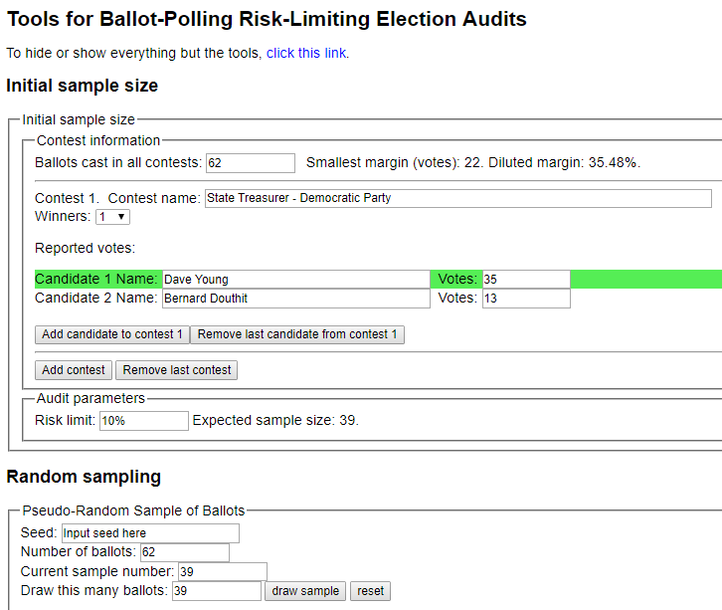
sorted_number | ballot | batch_label | which_ballot_in_batch | Location | Round # | County | Hinsdale
1 | 1 | 1 | 1 | 0 | 1 | # of ballots to audit | 39
2 | 2 | 1 | 2 | 0 | 1
3 | 2 | 1 | 2 | 0 | 1 | Contest | State Treasurer - Democratic Party
4 | 4 | 1 | 4 | 0 | 1 | # of candidates | 2
5 | 5 | 1 | 5 | 0 | 1 | Candidate 1 | Dave Young
6 | 7 | 1 | 7 | 0 | 1 | Candidate 2 | Bernard Douthit
7 | 8 | 1 | 8 | 0 | 1 | Candidate 3 | Undervote
8 | 10 | 1 | 10 | 0 | 1 | Candidate 4 | Overvote
9 | 12 | 1 | 12 | 0 | 1
10 | 12 | 1 | 12 | 0 | 1
11 | 13 | 1 | 13 | 0 | 1
12 | 15 | 1 | 15 | 0 | 1
13 | 15 | 1 | 15 | 0 | 1
14 | 15 | 1 | 15 | 0 | 1
15 | 15 | 1 | 15 | 0 | 1
16 | 16 | 1 | 16 | 0 | 1
17 | 17 | 1 | 17 | 0 | 1
18 | 17 | 1 | 17 | 0 | 1
19 | 21 | 1 | 21 | 0 | 1
20 | 23 | 1 | 23 | 0 | 1
21 | 25 | 1 | 25 | 0 | 1
22 | 27 | 2 | 2 | 0 | 1
23 | 28 | 2 | 3 | 0 | 1
24 | 29 | 2 | 4 | 0 | 1
25 | 29 | 2 | 4 | 0 | 1
26 | 30 | 2 | 5 | 0 | 1
27 | 37 | 2 | 12 | 0 | 1
28 | 37 | 2 | 12 | 0 | 1
29 | 38 | 2 | 13 | 0 | 1
30 | 40 | 2 | 15 | 0 | 1
31 | 43 | 2 | 18 | 0 | 1
32 | 45 | 2 | 20 | 0 | 1
33 | 45 | 2 | 20 | 0 | 1
34 | 46 | 2 | 21 | 0 | 1
35 | 49 | 2 | 24 | 0 | 1
36 | 53 | 3 | 3 | 0 | 1
37 | 55 | 3 | 5 | 0 | 1
38 | 56 | 3 | 6 | 0 | 1
39 | 62 | 3 | 12 | 0 | 1

