Sheet1
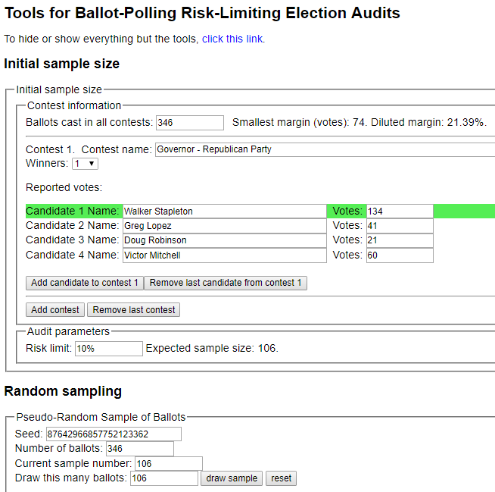
sorted_number | ballot | batch_label | which_ballot_in_batch | Location | Round # | County | Hinsdale
1 | 1 | 1 | 1 | 0 | 1 | # of ballots to audit | 106
2 | 1 | 1 | 1 | 0 | 1
3 | 7 | 1 | 7 | 0 | 1 | Contest | Governor - Republican Party
4 | 8 | 1 | 8 | 0 | 1 | # of candidates | 4
5 | 12 | 1 | 12 | 0 | 1 | Candidate 1 | Walker Stapleton
6 | 15 | 1 | 15 | 0 | 1 | Candidate 2 | Greg Lopez
7 | 18 | 1 | 18 | 0 | 1 | Candidate 3 | Doug Robinson
8 | 21 | 1 | 21 | 0 | 1 | Candidate 4 | Victor Mitchell
9 | 21 | 1 | 21 | 0 | 1 | Candidate 5 | Undervote
10 | 22 | 1 | 22 | 0 | 1 | Candidate 6 | Overvote
11 | 25 | 1 | 25 | 0 | 1
12 | 30 | 2 | 5 | 0 | 1
13 | 30 | 2 | 5 | 0 | 1
14 | 31 | 2 | 6 | 0 | 1
15 | 33 | 2 | 8 | 0 | 1
16 | 37 | 2 | 12 | 0 | 1
17 | 37 | 2 | 12 | 0 | 1
18 | 37 | 2 | 12 | 0 | 1
19 | 40 | 2 | 15 | 0 | 1
20 | 48 | 2 | 23 | 0 | 1
21 | 51 | 3 | 1 | 0 | 1
22 | 52 | 3 | 2 | 0 | 1
23 | 54 | 3 | 4 | 0 | 1
24 | 56 | 3 | 6 | 0 | 1
25 | 60 | 3 | 10 | 0 | 1
26 | 69 | 3 | 19 | 0 | 1
27 | 70 | 3 | 20 | 0 | 1
28 | 71 | 3 | 21 | 0 | 1
29 | 71 | 3 | 21 | 0 | 1
30 | 72 | 3 | 22 | 0 | 1
31 | 76 | 4 | 1 | 0 | 1
32 | 78 | 4 | 3 | 0 | 1
33 | 78 | 4 | 3 | 0 | 1
34 | 81 | 4 | 6 | 0 | 1
35 | 81 | 4 | 6 | 0 | 1
36 | 84 | 4 | 9 | 0 | 1
37 | 85 | 4 | 10 | 0 | 1
38 | 86 | 4 | 11 | 0 | 1
39 | 93 | 4 | 18 | 0 | 1
40 | 94 | 4 | 19 | 0 | 1
41 | 95 | 4 | 20 | 0 | 1
42 | 97 | 4 | 22 | 0 | 1
43 | 97 | 4 | 22 | 0 | 1
44 | 103 | 5 | 3 | 0 | 1
45 | 114 | 5 | 14 | 0 | 1
46 | 114 | 5 | 14 | 0 | 1
47 | 117 | 5 | 17 | 0 | 1
48 | 121 | 5 | 21 | 0 | 1
49 | 121 | 5 | 21 | 0 | 1
50 | 122 | 5 | 22 | 0 | 1
51 | 122 | 5 | 22 | 0 | 1
52 | 124 | 5 | 24 | 0 | 1
53 | 126 | 6 | 1 | 0 | 1
54 | 127 | 6 | 2 | 0 | 1
55 | 138 | 6 | 13 | 0 | 1
56 | 139 | 6 | 14 | 0 | 1
57 | 139 | 6 | 14 | 0 | 1
58 | 145 | 6 | 20 | 0 | 1
59 | 151 | 7 | 1 | 0 | 1
60 | 151 | 7 | 1 | 0 | 1
61 | 151 | 7 | 1 | 0 | 1
62 | 154 | 7 | 4 | 0 | 1
63 | 161 | 7 | 11 | 0 | 1
64 | 162 | 7 | 12 | 0 | 1
65 | 162 | 7 | 12 | 0 | 1
66 | 164 | 7 | 14 | 0 | 1
67 | 167 | 7 | 17 | 0 | 1
68 | 171 | 7 | 21 | 0 | 1
69 | 171 | 7 | 21 | 0 | 1
70 | 172 | 7 | 22 | 0 | 1
71 | 185 | 8 | 10 | 0 | 1
72 | 196 | 8 | 21 | 0 | 1
73 | 198 | 8 | 23 | 0 | 1
74 | 200 | 8 | 25 | 0 | 1
75 | 204 | 9 | 4 | 0 | 1
76 | 207 | 9 | 7 | 0 | 1
77 | 209 | 9 | 9 | 0 | 1
78 | 220 | 9 | 20 | 0 | 1
79 | 227 | 10 | 2 | 0 | 1
80 | 240 | 10 | 15 | 0 | 1
81 | 241 | 10 | 16 | 0 | 1
82 | 243 | 10 | 18 | 0 | 1
83 | 258 | 11 | 8 | 0 | 1
84 | 262 | 11 | 12 | 0 | 1
85 | 264 | 11 | 14 | 0 | 1
86 | 265 | 11 | 15 | 0 | 1
87 | 267 | 11 | 17 | 0 | 1
88 | 271 | 11 | 21 | 0 | 1
89 | 272 | 11 | 22 | 0 | 1
90 | 276 | 12 | 1 | 0 | 1
91 | 277 | 12 | 2 | 0 | 1
92 | 279 | 12 | 4 | 0 | 1
93 | 290 | 12 | 15 | 0 | 1
94 | 295 | 12 | 20 | 0 | 1
95 | 297 | 12 | 22 | 0 | 1
96 | 297 | 12 | 22 | 0 | 1
97 | 303 | 13 | 3 | 0 | 1
98 | 306 | 13 | 6 | 0 | 1
99 | 312 | 13 | 12 | 0 | 1
100 | 319 | 13 | 19 | 0 | 1
101 | 321 | 13 | 21 | 0 | 1
102 | 323 | 13 | 23 | 0 | 1
103 | 330 | 14 | 5 | 0 | 1
104 | 337 | 14 | 12 | 0 | 1
105 | 337 | 14 | 12 | 0 | 1
106 | 344 | 14 | 19 | 0 | 1

